Metal Datasheets
2026 FS SES V1.3 - Datasheets Metal
 |  |  |  | BACK to COVER SHEET
University Name |  |  | Car No.(s) & Event(s)

Please Name Your Material 1 |  |  |  | Tensile Test - NORMAL CONDITION - Please Name Your Material 1 |  |  |  |  |  |  |  |  |  |  |  |  |  |  |  | Tensile Test - WELDED CONDITION - Please Name Your Material 1 |  |  |  |  |  |  |  | Your Material 2 |  |  |  | Tensile Test - NORMAL CONDITION - Your Material 2 |  |  |  |  |  |  |  | Tensile Test - WELDED CONDITION - Your Material 2 |  |  |  |  |  |  |  | Your Material 3 |  |  |  | Tensile Test - NORMAL CONDITION - Your Material 3 |  |  |  |  |  |  |  | Tensile Test - WELDED CONDITION - Your Material 3

0.03 | 17.60
0.08 | 58.72
0.15 | 106.34
0.22 | 155.73
0.25 | 174.37
0.30 | 213.04
0.37 | 260.00
0.44 | 260.22
0.51 | 260.43
0.59 | 260.65
0.66 | 260.86
0.73 | 261.08
0.80 | 261.29
0.87 | 261.51
0.95 | 261.73
1.02 | 261.94
0.03 | 17.60
0.08 | 58.72
0.15 | 106.34
0.22 | 155.73
0.25 | 174.37
0.30 | 213.04
0.37 | 260.00
0.44 | 260.22
0.51 | 260.43
0.59 | 260.65
0.66 | 260.86
0.73 | 261.08
0.80 | 261.29
0.87 | 261.51
0.95 | 261.73
1.02 | 261.94
Material Type |  |  | Steel | Diagram Area |  |  |  |  |  |  |  |  |  |  |  |  |  |  |  | Diagram Area |  |  |  |  |  |  |  | Material Type |  |  | Steel | Diagram Area |  |  |  |  |  |  |  | Diagram Area |  |  |  |  |  |  |  | Material Type |  |  | Steel | Diagram Area |  |  |  |  |  |  |  | Diagram Area

T 3.2.2 / T 3.2.4 baseline steel? |  |  | No |  |  |  |  |  |  |  |  |  |  |  |  |  |  |  |  |  |  |  |  |  |  |  |  | T 3.2.2 / T 3.2.4 baseline steel? |  |  | Yes |  |  |  |  |  |  |  |  |  |  |  |  |  |  |  |  | T 3.2.2 / T 3.2.4 baseline steel? |  |  | No

Example
Example
Max. Element Content [%] |  |  | Not Baseline |  |  |  |  |  |  |  |  |  |  |  |  |  |  |  |  |  |  |  |  |  |  |  |  | Max. Element Content [%] |  |  | Baseline Composition |  |  |  |  |  |  |  |  |  |  |  |  |  |  |  |  | Max. Element Content [%] |  |  | Not Baseline
Carbon(C) | Manganese(Mn) | Other Element |  |  |  |  |  |  |  |  |  |  |  |  |  |  |  |  |  |  |  |  |  |  |  |  |  | Carbon(C) | Manganese(Mn) | Other Element |  |  |  |  |  |  |  |  |  |  |  |  |  |  |  |  |  | Carbon(C) | Manganese(Mn) | Other Element
0.3 | 1.7 | 0.6 |  |  |  |  |  |  |  |  |  |  |  |  |  |  |  |  |  |  |  |  |  |  |  |  |  | 0.3 | 1.7 | 0.6 |  |  |  |  |  |  |  |  |  |  |  |  |  |  |  |  |  | 0.3 | 1.7 | 0.6
Yield Strength [N/mm²] Normal |  |  | 305 |  |  |  |  |  |  |  |  |  |  |  |  |  |  |  |  |  |  |  |  |  |  |  |  | Yield Strength [N/mm²] Normal |  |  | 305 |  |  |  |  |  |  |  |  |  |  |  |  |  |  |  |  | Yield Strength [N/mm²] Normal |  |  | 305

Tensile Strength (UTS) [N/mm²] Normal |  |  | 365 |  |  |  |  |  |  |  |  |  |  |  |  |  |  |  |  |  |  |  |  |  |  |  |  | Tensile Strength (UTS) [N/mm²] Normal |  |  | 365 |  |  |  |  |  |  |  |  |  |  |  |  |  |  |  |  | Tensile Strength (UTS) [N/mm²] Normal |  |  | 365

Yield Strength [N/mm²] Welded |  |  | 305 |  |  |  |  |  |  |  |  |  |  |  |  |  |  |  |  |  |  |  |  |  |  |  |  | Yield Strength [N/mm²] Welded |  |  | 305 |  |  |  |  |  |  |  |  |  |  |  |  |  |  |  |  | Yield Strength [N/mm²] Welded |  |  | 305

Tensile Strength (UTS) [N/mm²] Welded |  |  | 365 |  |  |  |  |  |  |  |  |  |  |  |  |  |  |  |  |  |  |  |  |  |  |  |  | Tensile Strength (UTS) [N/mm²] Welded |  |  | 365 |  |  |  |  |  |  |  |  |  |  |  |  |  |  |  |  | Tensile Strength (UTS) [N/mm²] Welded |  |  | 365

Not Baseline - Please include data sheet and tensile test in normal condition and welded condition |  |  |  | Elastic Modulus - Enter upper and lower elastic strains |  |  |  |  |  |  |  |  |  |  |  |  |  |  |  | Elastic Modulus - Enter upper and lower elastic strains |  |  |  |  |  |  |  | Baseline Steel - Data sheet only is sufficient |  |  |  | Elastic Modulus - Enter upper and lower elastic strains |  |  |  |  |  |  |  | Elastic Modulus - Enter upper and lower elastic strains |  |  |  |  |  |  |  | Not Baseline - Please include data sheet and tensile test in normal condition and welded condition |  |  |  | Elastic Modulus - Enter upper and lower elastic strains |  |  |  |  |  |  |  | Elastic Modulus - Enter upper and lower elastic strains

Data Sheet |  |  |  | Lower Elastic Strain [%] |  |  |  |  | 0.025 |  |  | Lower Elastic Stress [N/mm²] |  |  |  |  | 17.5 |  |  | Lower Elastic Strain [%] |  | 0.025 | Lower Elastic Stress [N/mm²] |  | 17.5 |  |  | Data Sheet |  |  |  | Lower Elastic Strain [%] |  | 0.025 | Lower Elastic Stress [N/mm²] |  | 0.0 |  |  | Lower Elastic Strain [%] |  | 0.025 | Lower Elastic Stress [N/mm²] |  | 0.0 |  |  | Data Sheet |  |  |  | Lower Elastic Strain [%] |  | 0.025 | Lower Elastic Stress [N/mm²] |  | 0.0 |  |  | Lower Elastic Strain [%] |  | 0.025 | Lower Elastic Stress [N/mm²] |  | 0.0
 |  |  |  | Upper Elastic Strain [%] |  |  |  |  | 0.1 |  |  | Upper Elastic Stress [N/mm²] |  |  |  |  | 70.0 |  |  | Upper Elastic Strain [%] |  | 0.1 | Upper Elastic Stress [N/mm²] |  | 70.0 |  |  |  |  |  |  | Upper Elastic Strain [%] |  | 0.1 | Upper Elastic Stress [N/mm²] |  | 0.0 |  |  | Upper Elastic Strain [%] |  | 0.1 | Upper Elastic Stress [N/mm²] |  | 0.0 |  |  |  |  |  |  | Upper Elastic Strain [%] |  | 0.1 | Upper Elastic Stress [N/mm²] |  | 0.0 |  |  | Upper Elastic Strain [%] |  | 0.1 | Upper Elastic Stress [N/mm²] |  | 0.0
Insert image of relevant datasheet pages (name of material must be visible on the pages). |  |  |  | Elastic Modulus [N/mm²] |  |  |  |  | 70000 |  |  | Yield Strength [N/mm²] |  |  |  |  | 260.6 |  |  | Elastic Modulus [N/mm²] |  | 70000 | Yield Strength [N/mm²] |  | 260.6 |  |  | Insert image of relevant datasheet pages (name of material must be visible on the pages). |  |  |  | Elastic Modulus [N/mm²] |  | 0 | Yield Strength [N/mm²] |  | #DIV/0! |  |  | Elastic Modulus [N/mm²] |  | 0 | Yield Strength [N/mm²] |  | #DIV/0! |  |  | Insert image of relevant datasheet pages (name of material must be visible on the pages). |  |  |  | Elastic Modulus [N/mm²] |  | 0 | Yield Strength [N/mm²] |  | #DIV/0! |  |  | Elastic Modulus [N/mm²] |  | 0 | Yield Strength [N/mm²] |  | #DIV/0!
Highlight the relevant areas for material type, chemical composition, mechanical properties. |  |  |  |  |  |  |  |  |  |  |  |  |  |  |  |  |  |  |  |  |  |  |  |  |  |  |  | Highlight the relevant areas for material type, chemical composition, mechanical properties. |  |  |  |  |  |  |  |  |  |  |  |  |  |  |  |  |  |  |  | Highlight the relevant areas for material type, chemical composition, mechanical properties.
 |  |  |  | Tensile Strength [N/mm²] |  |  |  |  | 261.9 |  |  |  |  |  |  |  |  |  |  | Tensile Strength [N/mm²] |  | 261.9 |  |  |  |  |  |  |  |  |  | Tensile Strength [N/mm²] |  | 0.0 |  |  |  |  |  | Tensile Strength [N/mm²] |  | 0.0 |  |  |  |  |  |  |  |  |  | Tensile Strength [N/mm²] |  | 0.0 |  |  |  |  |  | Tensile Strength [N/mm²] |  | 0.0

 |  |  |  | Test Data - Max. 300 data points |  |  |  |  |  |  |  |  |  |  |  |  |  |  |  | Test Data - Max. 300 data points |  |  |  |  |  |  |  |  |  |  |  | Test Data - Max. 300 data points |  |  |  |  |  |  |  | Test Data - Max. 300 data points |  |  |  |  |  |  |  |  |  |  |  | Test Data - Max. 300 data points |  |  |  |  |  |  |  | Test Data - Max. 300 data points

 |  |  |  | Eng. Strain [%] |  |  |  | Eng. Stress [N/mm²] |  |  |  | Plastic Strain [%] |  |  |  | 0 | 0.03 | 0 | 17.60 | Eng. Strain [%] | Eng. Stress [N/mm²] |  | Plastic Strain [%] | 0 | 0.03 | 0 | 17.60 |  |  |  |  | Eng. Strain [%] | Eng. Stress [N/mm²] |  | Plastic Strain [%] | 0 | 0.00 | 0 | 0.00 | Eng. Strain [%] | Eng. Stress [N/mm²] |  | Plastic Strain [%] | 0 | 0.00 | 0 | 0.00 |  |  |  |  | Eng. Strain [%] | Eng. Stress [N/mm²] |  | Plastic Strain [%] | 0 | 0.00 | 0 | 0.00 | Eng. Strain [%] | Eng. Stress [N/mm²] |  | Plastic Strain [%] | 0 | 0.00 | 0 | 0.00
 |  |  |  | 0.03 |  |  |  | 17.60 |  |  |  | 0.00 |  |  |  | 0.08 | 0.15 | 58.7 | 106.3 | 0.03 | 17.60 |  | 0.00 | 0.08 | 0.15 | 58.72 | 106.34 |  |  |  |  |  |  |  | #DIV/0! | 0.00 | 0.00 | 0.00 | 0.00 |  |  |  | #DIV/0! | 0.00 | 0.00 | 0.00 | 0.00 |  |  |  |  |  |  |  | #DIV/0! | 0.00 | 0.00 | 0.00 | 0.00 |  |  |  | #DIV/0! | 0.00 | 0.00 | 0.00 | 0.00
 |  |  |  | 0.08 |  |  |  | 58.72 |  |  |  | 0.00 |  |  |  | 0.14 | 0.21 | 260.4 | 260.6 | 0.08 | 58.72 |  | 0.00 | 0.14 | 0.21 | 260.43 | 260.65 |  |  |  |  |  |  |  | #DIV/0! | 0.00 | #DIV/0! | 0.00 | 0.00 |  |  |  | #DIV/0! | 0.00 | #DIV/0! | 0.00 | 0.00 |  |  |  |  |  |  |  | #DIV/0! | 0.00 | #DIV/0! | 0.00 | 0.00 |  |  |  | #DIV/0! | 0.00 | #DIV/0! | 0.00 | 0.00
 |  |  |  | 0.15 |  |  |  | 106.34 |  |  |  | 0.00 |  |  |  | 0.2 | 0 |  |  | 0.15 | 106.34 |  | 0.00 | 0.2 | 0 |  |  |  |  |  |  |  |  |  | #DIV/0! | 0.2 | 0 |  |  |  |  |  | #DIV/0! | 0.2 | 0 |  |  |  |  |  |  |  |  |  | #DIV/0! | 0.2 | 0 |  |  |  |  |  | #DIV/0! | 0.2 | 0
 |  |  |  | 0.22 |  |  |  | 155.73 |  |  |  | 0.00 |  |  |  | 0.3723 | 260.61 |  |  | 0.22 | 155.73 |  | 0.00 | 0.3723 | 260.61 |  |  |  |  |  |  |  |  |  | #DIV/0! | #DIV/0! | 260.61 |  |  |  |  |  | #DIV/0! | #DIV/0! | 260.61 |  |  |  |  |  |  |  |  |  | #DIV/0! | #DIV/0! | 260.61 |  |  |  |  |  | #DIV/0! | #DIV/0! | 260.61
 |  |  |  | 0.25 |  |  |  | 174.37 |  |  |  | 0.00 |  |  |  | 0.40953 | 286.671 |  |  | 0.25 | 174.37 |  | 0.00 | 0.40953 | 286.671 |  |  |  |  |  |  |  |  |  | #DIV/0! | #DIV/0! | 286.671 |  |  |  |  |  | #DIV/0! | #DIV/0! | 286.671 |  |  |  |  |  |  |  |  |  | #DIV/0! | #DIV/0! | 286.671 |  |  |  |  |  | #DIV/0! | #DIV/0! | 286.671
 |  |  |  | 0.30 |  |  |  | 213.04 |  |  |  | 0.00 |  |  |  |  |  |  |  | 0.30 | 213.04 |  | 0.00 |  |  |  |  |  |  |  |  |  |  |  | #DIV/0! |  |  |  |  |  |  |  | #DIV/0! |  |  |  |  |  |  |  |  |  |  |  | #DIV/0! |  |  |  |  |  |  |  | #DIV/0!
 |  |  |  | 0.37 |  |  |  | 260.00 |  |  |  | 0.00 |  |  |  |  |  |  |  | 0.37 | 260.00 |  | 0.00 |  |  |  |  |  |  |  |  |  |  |  | #DIV/0! |  |  |  |  |  |  |  | #DIV/0! |  |  |  |  |  |  |  |  |  |  |  | #DIV/0! |  |  |  |  |  |  |  | #DIV/0!
 |  |  |  | 0.44 |  |  |  | 260.22 |  |  |  | 0.07 |  |  |  |  |  |  |  | 0.44 | 260.22 |  | 0.07 |  |  |  |  |  |  |  |  |  |  |  | #DIV/0! |  |  |  |  |  |  |  | #DIV/0! |  |  |  |  |  |  |  |  |  |  |  | #DIV/0! |  |  |  |  |  |  |  | #DIV/0!
 |  |  |  | 0.51 |  |  |  | 260.43 |  |  |  | 0.14 |  |  |  |  |  |  |  | 0.51 | 260.43 |  | 0.14 |  |  |  |  |  |  |  |  |  |  |  | #DIV/0! |  |  |  |  |  |  |  | #DIV/0! |  |  |  |  |  |  |  |  |  |  |  | #DIV/0! |  |  |  |  |  |  |  | #DIV/0!
 |  |  |  | 0.59 |  |  |  | 260.65 |  |  |  | 0.21 |  |  |  |  |  |  |  | 0.59 | 260.65 |  | 0.21 |  |  |  |  |  |  |  |  |  |  |  | #DIV/0! |  |  |  |  |  |  |  | #DIV/0! |  |  |  |  |  |  |  |  |  |  |  | #DIV/0! |  |  |  |  |  |  |  | #DIV/0!
 |  |  |  | 0.66 |  |  |  | 260.86 |  |  |  | 0.28 |  |  |  |  |  |  |  | 0.66 | 260.86 |  | 0.28 |  |  |  |  |  |  |  |  |  |  |  | #DIV/0! |  |  |  |  |  |  |  | #DIV/0! |  |  |  |  |  |  |  |  |  |  |  | #DIV/0! |  |  |  |  |  |  |  | #DIV/0!
 |  |  |  | 0.73 |  |  |  | 261.08 |  |  |  | 0.36 |  |  |  |  |  |  |  | 0.73 | 261.08 |  | 0.36 |  |  |  |  |  |  |  |  |  |  |  | #DIV/0! |  |  |  |  |  |  |  | #DIV/0! |  |  |  |  |  |  |  |  |  |  |  | #DIV/0! |  |  |  |  |  |  |  | #DIV/0!
 |  |  |  | 0.80 |  |  |  | 261.29 |  |  |  | 0.43 |  |  |  |  |  |  |  | 0.80 | 261.29 |  | 0.43 |  |  |  |  |  |  |  |  |  |  |  | #DIV/0! |  |  |  |  |  |  |  | #DIV/0! |  |  |  |  |  |  |  |  |  |  |  | #DIV/0! |  |  |  |  |  |  |  | #DIV/0!
 |  |  |  | 0.87 |  |  |  | 261.51 |  |  |  | 0.50 |  |  |  |  |  |  |  | 0.87 | 261.51 |  | 0.50 |  |  |  |  |  |  |  |  |  |  |  | #DIV/0! |  |  |  |  |  |  |  | #DIV/0! |  |  |  |  |  |  |  |  |  |  |  | #DIV/0! |  |  |  |  |  |  |  | #DIV/0!
 |  |  |  | 0.95 |  |  |  | 261.73 |  |  |  | 0.57 |  |  |  |  |  |  |  | 0.95 | 261.73 |  | 0.57 |  |  |  |  |  |  |  |  |  |  |  | #DIV/0! |  |  |  |  |  |  |  | #DIV/0! |  |  |  |  |  |  |  |  |  |  |  | #DIV/0! |  |  |  |  |  |  |  | #DIV/0!
 |  |  |  | 1.02 |  |  |  | 261.94 |  |  |  | 0.64 |  |  |  |  |  |  |  | 1.02 | 261.94 |  | 0.64 |  |  |  |  |  |  |  |  |  |  |  | #DIV/0! |  |  |  |  |  |  |  | #DIV/0! |  |  |  |  |  |  |  |  |  |  |  | #DIV/0! |  |  |  |  |  |  |  | #DIV/0!
 |  |  |  |  |  |  |  |  |  |  |  | 0.00 |  |  |  |  |  |  |  |  |  |  | 0.00 |  |  |  |  |  |  |  |  |  |  |  | #DIV/0! |  |  |  |  |  |  |  | #DIV/0! |  |  |  |  |  |  |  |  |  |  |  | #DIV/0! |  |  |  |  |  |  |  | #DIV/0!
 |  |  |  |  |  |  |  |  |  |  |  | 0.00 |  |  |  |  |  |  |  |  |  |  | 0.00 |  |  |  |  |  |  |  |  |  |  |  | #DIV/0! |  |  |  |  |  |  |  | #DIV/0! |  |  |  |  |  |  |  |  |  |  |  | #DIV/0! |  |  |  |  |  |  |  | #DIV/0!
 |  |  |  |  |  |  |  |  |  |  |  | 0.00 |  |  |  |  |  |  |  |  |  |  | 0.00 |  |  |  |  |  |  |  |  |  |  |  | #DIV/0! |  |  |  |  |  |  |  | #DIV/0! |  |  |  |  |  |  |  |  |  |  |  | #DIV/0! |  |  |  |  |  |  |  | #DIV/0!
 |  |  |  |  |  |  |  |  |  |  |  | 0.00 |  |  |  |  |  |  |  |  |  |  | 0.00 |  |  |  |  |  |  |  |  |  |  |  | #DIV/0! |  |  |  |  |  |  |  | #DIV/0! |  |  |  |  |  |  |  |  |  |  |  | #DIV/0! |  |  |  |  |  |  |  | #DIV/0!
 |  |  |  |  |  |  |  |  |  |  |  | 0.00 |  |  |  |  |  |  |  |  |  |  | 0.00 |  |  |  |  |  |  |  |  |  |  |  | #DIV/0! |  |  |  |  |  |  |  | #DIV/0! |  |  |  |  |  |  |  |  |  |  |  | #DIV/0! |  |  |  |  |  |  |  | #DIV/0!
 |  |  |  |  |  |  |  |  |  |  |  | 0.00 |  |  |  |  |  |  |  |  |  |  | 0.00 |  |  |  |  |  |  |  |  |  |  |  | #DIV/0! |  |  |  |  |  |  |  | #DIV/0! |  |  |  |  |  |  |  |  |  |  |  | #DIV/0! |  |  |  |  |  |  |  | #DIV/0!
 |  |  |  |  |  |  |  |  |  |  |  | 0.00 |  |  |  |  |  |  |  |  |  |  | 0.00 |  |  |  |  |  |  |  |  |  |  |  | #DIV/0! |  |  |  |  |  |  |  | #DIV/0! |  |  |  |  |  |  |  |  |  |  |  | #DIV/0! |  |  |  |  |  |  |  | #DIV/0!
 |  |  |  |  |  |  |  |  |  |  |  | 0.00 |  |  |  |  |  |  |  |  |  |  | 0.00 |  |  |  |  |  |  |  |  |  |  |  | #DIV/0! |  |  |  |  |  |  |  | #DIV/0! |  |  |  |  |  |  |  |  |  |  |  | #DIV/0! |  |  |  |  |  |  |  | #DIV/0!
 |  |  |  |  |  |  |  |  |  |  |  | 0.00 |  |  |  |  |  |  |  |  |  |  | 0.00 |  |  |  |  |  |  |  |  |  |  |  | #DIV/0! |  |  |  |  |  |  |  | #DIV/0! |  |  |  |  |  |  |  |  |  |  |  | #DIV/0! |  |  |  |  |  |  |  | #DIV/0!
 |  |  |  |  |  |  |  |  |  |  |  | 0.00 |  |  |  |  |  |  |  |  |  |  | 0.00 |  |  |  |  |  |  |  |  |  |  |  | #DIV/0! |  |  |  |  |  |  |  | #DIV/0! |  |  |  |  |  |  |  |  |  |  |  | #DIV/0! |  |  |  |  |  |  |  | #DIV/0!
 |  |  |  |  |  |  |  |  |  |  |  | 0.00 |  |  |  |  |  |  |  |  |  |  | 0.00 |  |  |  |  |  |  |  |  |  |  |  | #DIV/0! |  |  |  |  |  |  |  | #DIV/0! |  |  |  |  |  |  |  |  |  |  |  | #DIV/0! |  |  |  |  |  |  |  | #DIV/0!
 |  |  |  |  |  |  |  |  |  |  |  | 0.00 |  |  |  |  |  |  |  |  |  |  | 0.00 |  |  |  |  |  |  |  |  |  |  |  | #DIV/0! |  |  |  |  |  |  |  | #DIV/0! |  |  |  |  |  |  |  |  |  |  |  | #DIV/0! |  |  |  |  |  |  |  | #DIV/0!
 |  |  |  |  |  |  |  |  |  |  |  | 0.00 |  |  |  |  |  |  |  |  |  |  | 0.00 |  |  |  |  |  |  |  |  |  |  |  | #DIV/0! |  |  |  |  |  |  |  | #DIV/0! |  |  |  |  |  |  |  |  |  |  |  | #DIV/0! |  |  |  |  |  |  |  | #DIV/0!
 |  |  |  |  |  |  |  |  |  |  |  | 0.00 |  |  |  |  |  |  |  |  |  |  | 0.00 |  |  |  |  |  |  |  |  |  |  |  | #DIV/0! |  |  |  |  |  |  |  | #DIV/0! |  |  |  |  |  |  |  |  |  |  |  | #DIV/0! |  |  |  |  |  |  |  | #DIV/0!
 |  |  |  |  |  |  |  |  |  |  |  | 0.00 |  |  |  |  |  |  |  |  |  |  | 0.00 |  |  |  |  |  |  |  |  |  |  |  | #DIV/0! |  |  |  |  |  |  |  | #DIV/0! |  |  |  |  |  |  |  |  |  |  |  | #DIV/0! |  |  |  |  |  |  |  | #DIV/0!
 |  |  |  |  |  |  |  |  |  |  |  | 0.00 |  |  |  |  |  |  |  |  |  |  | 0.00 |  |  |  |  |  |  |  |  |  |  |  | #DIV/0! |  |  |  |  |  |  |  | #DIV/0! |  |  |  |  |  |  |  |  |  |  |  | #DIV/0! |  |  |  |  |  |  |  | #DIV/0!
 |  |  |  |  |  |  |  |  |  |  |  | 0.00 |  |  |  |  |  |  |  |  |  |  | 0.00 |  |  |  |  |  |  |  |  |  |  |  | #DIV/0! |  |  |  |  |  |  |  | #DIV/0! |  |  |  |  |  |  |  |  |  |  |  | #DIV/0! |  |  |  |  |  |  |  | #DIV/0!
 |  |  |  |  |  |  |  |  |  |  |  | 0.00 |  |  |  |  |  |  |  |  |  |  | 0.00 |  |  |  |  |  |  |  |  |  |  |  | #DIV/0! |  |  |  |  |  |  |  | #DIV/0! |  |  |  |  |  |  |  |  |  |  |  | #DIV/0! |  |  |  |  |  |  |  | #DIV/0!
 |  |  |  |  |  |  |  |  |  |  |  | 0.00 |  |  |  |  |  |  |  |  |  |  | 0.00 |  |  |  |  |  |  |  |  |  |  |  | #DIV/0! |  |  |  |  |  |  |  | #DIV/0! |  |  |  |  |  |  |  |  |  |  |  | #DIV/0! |  |  |  |  |  |  |  | #DIV/0!
 |  |  |  |  |  |  |  |  |  |  |  | 0.00 |  |  |  |  |  |  |  |  |  |  | 0.00 |  |  |  |  |  |  |  |  |  |  |  | #DIV/0! |  |  |  |  |  |  |  | #DIV/0! |  |  |  |  |  |  |  |  |  |  |  | #DIV/0! |  |  |  |  |  |  |  | #DIV/0!
 |  |  |  |  |  |  |  |  |  |  |  | 0.00 |  |  |  |  |  |  |  |  |  |  | 0.00 |  |  |  |  |  |  |  |  |  |  |  | #DIV/0! |  |  |  |  |  |  |  | #DIV/0! |  |  |  |  |  |  |  |  |  |  |  | #DIV/0! |  |  |  |  |  |  |  | #DIV/0!
 |  |  |  |  |  |  |  |  |  |  |  | 0.00 |  |  |  |  |  |  |  |  |  |  | 0.00 |  |  |  |  |  |  |  |  |  |  |  | #DIV/0! |  |  |  |  |  |  |  | #DIV/0! |  |  |  |  |  |  |  |  |  |  |  | #DIV/0! |  |  |  |  |  |  |  | #DIV/0!
 |  |  |  |  |  |  |  |  |  |  |  | 0.00 |  |  |  |  |  |  |  |  |  |  | 0.00 |  |  |  |  |  |  |  |  |  |  |  | #DIV/0! |  |  |  |  |  |  |  | #DIV/0! |  |  |  |  |  |  |  |  |  |  |  | #DIV/0! |  |  |  |  |  |  |  | #DIV/0!
 |  |  |  |  |  |  |  |  |  |  |  | 0.00 |  |  |  |  |  |  |  |  |  |  | 0.00 |  |  |  |  |  |  |  |  |  |  |  | #DIV/0! |  |  |  |  |  |  |  | #DIV/0! |  |  |  |  |  |  |  |  |  |  |  | #DIV/0! |  |  |  |  |  |  |  | #DIV/0!
 |  |  |  |  |  |  |  |  |  |  |  | 0.00 |  |  |  |  |  |  |  |  |  |  | 0.00 |  |  |  |  |  |  |  |  |  |  |  | #DIV/0! |  |  |  |  |  |  |  | #DIV/0! |  |  |  |  |  |  |  |  |  |  |  | #DIV/0! |  |  |  |  |  |  |  | #DIV/0!
 |  |  |  |  |  |  |  |  |  |  |  | 0.00 |  |  |  |  |  |  |  |  |  |  | 0.00 |  |  |  |  |  |  |  |  |  |  |  | #DIV/0! |  |  |  |  |  |  |  | #DIV/0! |  |  |  |  |  |  |  |  |  |  |  | #DIV/0! |  |  |  |  |  |  |  | #DIV/0!
 |  |  |  |  |  |  |  |  |  |  |  | 0.00 |  |  |  |  |  |  |  |  |  |  | 0.00 |  |  |  |  |  |  |  |  |  |  |  | #DIV/0! |  |  |  |  |  |  |  | #DIV/0! |  |  |  |  |  |  |  |  |  |  |  | #DIV/0! |  |  |  |  |  |  |  | #DIV/0!
 |  |  |  |  |  |  |  |  |  |  |  | 0.00 |  |  |  |  |  |  |  |  |  |  | 0.00 |  |  |  |  |  |  |  |  |  |  |  | #DIV/0! |  |  |  |  |  |  |  | #DIV/0! |  |  |  |  |  |  |  |  |  |  |  | #DIV/0! |  |  |  |  |  |  |  | #DIV/0!
 |  |  |  |  |  |  |  |  |  |  |  | 0.00 |  |  |  |  |  |  |  |  |  |  | 0.00 |  |  |  |  |  |  |  |  |  |  |  | #DIV/0! |  |  |  |  |  |  |  | #DIV/0! |  |  |  |  |  |  |  |  |  |  |  | #DIV/0! |  |  |  |  |  |  |  | #DIV/0!
 |  |  |  |  |  |  |  |  |  |  |  | 0.00 |  |  |  |  |  |  |  |  |  |  | 0.00 |  |  |  |  |  |  |  |  |  |  |  | #DIV/0! |  |  |  |  |  |  |  | #DIV/0! |  |  |  |  |  |  |  |  |  |  |  | #DIV/0! |  |  |  |  |  |  |  | #DIV/0!
 |  |  |  |  |  |  |  |  |  |  |  | 0.00 |  |  |  |  |  |  |  |  |  |  | 0.00 |  |  |  |  |  |  |  |  |  |  |  | #DIV/0! |  |  |  |  |  |  |  | #DIV/0! |  |  |  |  |  |  |  |  |  |  |  | #DIV/0! |  |  |  |  |  |  |  | #DIV/0!
 |  |  |  |  |  |  |  |  |  |  |  | 0.00 |  |  |  |  |  |  |  |  |  |  | 0.00 |  |  |  |  |  |  |  |  |  |  |  | #DIV/0! |  |  |  |  |  |  |  | #DIV/0! |  |  |  |  |  |  |  |  |  |  |  | #DIV/0! |  |  |  |  |  |  |  | #DIV/0!
 |  |  |  |  |  |  |  |  |  |  |  | 0.00 |  |  |  |  |  |  |  |  |  |  | 0.00 |  |  |  |  |  |  |  |  |  |  |  | #DIV/0! |  |  |  |  |  |  |  | #DIV/0! |  |  |  |  |  |  |  |  |  |  |  | #DIV/0! |  |  |  |  |  |  |  | #DIV/0!
 |  |  |  |  |  |  |  |  |  |  |  | 0.00 |  |  |  |  |  |  |  |  |  |  | 0.00 |  |  |  |  |  |  |  |  |  |  |  | #DIV/0! |  |  |  |  |  |  |  | #DIV/0! |  |  |  |  |  |  |  |  |  |  |  | #DIV/0! |  |  |  |  |  |  |  | #DIV/0!
 |  |  |  |  |  |  |  |  |  |  |  | 0.00 |  |  |  |  |  |  |  |  |  |  | 0.00 |  |  |  |  |  |  |  |  |  |  |  | #DIV/0! |  |  |  |  |  |  |  | #DIV/0! |  |  |  |  |  |  |  |  |  |  |  | #DIV/0! |  |  |  |  |  |  |  | #DIV/0!
 |  |  |  |  |  |  |  |  |  |  |  | 0.00 |  |  |  |  |  |  |  |  |  |  | 0.00 |  |  |  |  |  |  |  |  |  |  |  | #DIV/0! |  |  |  |  |  |  |  | #DIV/0! |  |  |  |  |  |  |  |  |  |  |  | #DIV/0! |  |  |  |  |  |  |  | #DIV/0!
 |  |  |  |  |  |  |  |  |  |  |  | 0.00 |  |  |  |  |  |  |  |  |  |  | 0.00 |  |  |  |  |  |  |  |  |  |  |  | #DIV/0! |  |  |  |  |  |  |  | #DIV/0! |  |  |  |  |  |  |  |  |  |  |  | #DIV/0! |  |  |  |  |  |  |  | #DIV/0!
 |  |  |  |  |  |  |  |  |  |  |  | 0.00 |  |  |  |  |  |  |  |  |  |  | 0.00 |  |  |  |  |  |  |  |  |  |  |  | #DIV/0! |  |  |  |  |  |  |  | #DIV/0! |  |  |  |  |  |  |  |  |  |  |  | #DIV/0! |  |  |  |  |  |  |  | #DIV/0!
 |  |  |  |  |  |  |  |  |  |  |  | 0.00 |  |  |  |  |  |  |  |  |  |  | 0.00 |  |  |  |  |  |  |  |  |  |  |  | #DIV/0! |  |  |  |  |  |  |  | #DIV/0! |  |  |  |  |  |  |  |  |  |  |  | #DIV/0! |  |  |  |  |  |  |  | #DIV/0!
 |  |  |  |  |  |  |  |  |  |  |  | 0.00 |  |  |  |  |  |  |  |  |  |  | 0.00 |  |  |  |  |  |  |  |  |  |  |  | #DIV/0! |  |  |  |  |  |  |  | #DIV/0! |  |  |  |  |  |  |  |  |  |  |  | #DIV/0! |  |  |  |  |  |  |  | #DIV/0!
 |  |  |  |  |  |  |  |  |  |  |  | 0.00 |  |  |  |  |  |  |  |  |  |  | 0.00 |  |  |  |  |  |  |  |  |  |  |  | #DIV/0! |  |  |  |  |  |  |  | #DIV/0! |  |  |  |  |  |  |  |  |  |  |  | #DIV/0! |  |  |  |  |  |  |  | #DIV/0!
 |  |  |  |  |  |  |  |  |  |  |  | 0.00 |  |  |  |  |  |  |  |  |  |  | 0.00 |  |  |  |  |  |  |  |  |  |  |  | #DIV/0! |  |  |  |  |  |  |  | #DIV/0! |  |  |  |  |  |  |  |  |  |  |  | #DIV/0! |  |  |  |  |  |  |  | #DIV/0!
 |  |  |  |  |  |  |  |  |  |  |  | 0.00 |  |  |  |  |  |  |  |  |  |  | 0.00 |  |  |  |  |  |  |  |  |  |  |  | #DIV/0! |  |  |  |  |  |  |  | #DIV/0! |  |  |  |  |  |  |  |  |  |  |  | #DIV/0! |  |  |  |  |  |  |  | #DIV/0!
 |  |  |  |  |  |  |  |  |  |  |  | 0.00 |  |  |  |  |  |  |  |  |  |  | 0.00 |  |  |  |  |  |  |  |  |  |  |  | #DIV/0! |  |  |  |  |  |  |  | #DIV/0! |  |  |  |  |  |  |  |  |  |  |  | #DIV/0! |  |  |  |  |  |  |  | #DIV/0!
 |  |  |  |  |  |  |  |  |  |  |  | 0.00 |  |  |  |  |  |  |  |  |  |  | 0.00 |  |  |  |  |  |  |  |  |  |  |  | #DIV/0! |  |  |  |  |  |  |  | #DIV/0! |  |  |  |  |  |  |  |  |  |  |  | #DIV/0! |  |  |  |  |  |  |  | #DIV/0!
 |  |  |  |  |  |  |  |  |  |  |  | 0.00 |  |  |  |  |  |  |  |  |  |  | 0.00 |  |  |  |  |  |  |  |  |  |  |  | #DIV/0! |  |  |  |  |  |  |  | #DIV/0! |  |  |  |  |  |  |  |  |  |  |  | #DIV/0! |  |  |  |  |  |  |  | #DIV/0!
 |  |  |  |  |  |  |  |  |  |  |  | 0.00 |  |  |  |  |  |  |  |  |  |  | 0.00 |  |  |  |  |  |  |  |  |  |  |  | #DIV/0! |  |  |  |  |  |  |  | #DIV/0! |  |  |  |  |  |  |  |  |  |  |  | #DIV/0! |  |  |  |  |  |  |  | #DIV/0!
 |  |  |  |  |  |  |  |  |  |  |  | 0.00 |  |  |  |  |  |  |  |  |  |  | 0.00 |  |  |  |  |  |  |  |  |  |  |  | #DIV/0! |  |  |  |  |  |  |  | #DIV/0! |  |  |  |  |  |  |  |  |  |  |  | #DIV/0! |  |  |  |  |  |  |  | #DIV/0!
 |  |  |  |  |  |  |  |  |  |  |  | 0.00 |  |  |  |  |  |  |  |  |  |  | 0.00 |  |  |  |  |  |  |  |  |  |  |  | #DIV/0! |  |  |  |  |  |  |  | #DIV/0! |  |  |  |  |  |  |  |  |  |  |  | #DIV/0! |  |  |  |  |  |  |  | #DIV/0!
 |  |  |  |  |  |  |  |  |  |  |  | 0.00 |  |  |  |  |  |  |  |  |  |  | 0.00 |  |  |  |  |  |  |  |  |  |  |  | #DIV/0! |  |  |  |  |  |  |  | #DIV/0! |  |  |  |  |  |  |  |  |  |  |  | #DIV/0! |  |  |  |  |  |  |  | #DIV/0!
 |  |  |  |  |  |  |  |  |  |  |  | 0.00 |  |  |  |  |  |  |  |  |  |  | 0.00 |  |  |  |  |  |  |  |  |  |  |  | #DIV/0! |  |  |  |  |  |  |  | #DIV/0! |  |  |  |  |  |  |  |  |  |  |  | #DIV/0! |  |  |  |  |  |  |  | #DIV/0!
 |  |  |  |  |  |  |  |  |  |  |  | 0.00 |  |  |  |  |  |  |  |  |  |  | 0.00 |  |  |  |  |  |  |  |  |  |  |  | #DIV/0! |  |  |  |  |  |  |  | #DIV/0! |  |  |  |  |  |  |  |  |  |  |  | #DIV/0! |  |  |  |  |  |  |  | #DIV/0!
 |  |  |  |  |  |  |  |  |  |  |  | 0.00 |  |  |  |  |  |  |  |  |  |  | 0.00 |  |  |  |  |  |  |  |  |  |  |  | #DIV/0! |  |  |  |  |  |  |  | #DIV/0! |  |  |  |  |  |  |  |  |  |  |  | #DIV/0! |  |  |  |  |  |  |  | #DIV/0!
 |  |  |  |  |  |  |  |  |  |  |  | 0.00 |  |  |  |  |  |  |  |  |  |  | 0.00 |  |  |  |  |  |  |  |  |  |  |  | #DIV/0! |  |  |  |  |  |  |  | #DIV/0! |  |  |  |  |  |  |  |  |  |  |  | #DIV/0! |  |  |  |  |  |  |  | #DIV/0!
 |  |  |  |  |  |  |  |  |  |  |  | 0.00 |  |  |  |  |  |  |  |  |  |  | 0.00 |  |  |  |  |  |  |  |  |  |  |  | #DIV/0! |  |  |  |  |  |  |  | #DIV/0! |  |  |  |  |  |  |  |  |  |  |  | #DIV/0! |  |  |  |  |  |  |  | #DIV/0!
 |  |  |  |  |  |  |  |  |  |  |  | 0.00 |  |  |  |  |  |  |  |  |  |  | 0.00 |  |  |  |  |  |  |  |  |  |  |  | #DIV/0! |  |  |  |  |  |  |  | #DIV/0! |  |  |  |  |  |  |  |  |  |  |  | #DIV/0! |  |  |  |  |  |  |  | #DIV/0!
 |  |  |  |  |  |  |  |  |  |  |  | 0.00 |  |  |  |  |  |  |  |  |  |  | 0.00 |  |  |  |  |  |  |  |  |  |  |  | #DIV/0! |  |  |  |  |  |  |  | #DIV/0! |  |  |  |  |  |  |  |  |  |  |  | #DIV/0! |  |  |  |  |  |  |  | #DIV/0!
 |  |  |  |  |  |  |  |  |  |  |  | 0.00 |  |  |  |  |  |  |  |  |  |  | 0.00 |  |  |  |  |  |  |  |  |  |  |  | #DIV/0! |  |  |  |  |  |  |  | #DIV/0! |  |  |  |  |  |  |  |  |  |  |  | #DIV/0! |  |  |  |  |  |  |  | #DIV/0!
 |  |  |  |  |  |  |  |  |  |  |  | 0.00 |  |  |  |  |  |  |  |  |  |  | 0.00 |  |  |  |  |  |  |  |  |  |  |  | #DIV/0! |  |  |  |  |  |  |  | #DIV/0! |  |  |  |  |  |  |  |  |  |  |  | #DIV/0! |  |  |  |  |  |  |  | #DIV/0!
 |  |  |  |  |  |  |  |  |  |  |  | 0.00 |  |  |  |  |  |  |  |  |  |  | 0.00 |  |  |  |  |  |  |  |  |  |  |  | #DIV/0! |  |  |  |  |  |  |  | #DIV/0! |  |  |  |  |  |  |  |  |  |  |  | #DIV/0! |  |  |  |  |  |  |  | #DIV/0!
 |  |  |  |  |  |  |  |  |  |  |  | 0.00 |  |  |  |  |  |  |  |  |  |  | 0.00 |  |  |  |  |  |  |  |  |  |  |  | #DIV/0! |  |  |  |  |  |  |  | #DIV/0! |  |  |  |  |  |  |  |  |  |  |  | #DIV/0! |  |  |  |  |  |  |  | #DIV/0!
 |  |  |  |  |  |  |  |  |  |  |  | 0.00 |  |  |  |  |  |  |  |  |  |  | 0.00 |  |  |  |  |  |  |  |  |  |  |  | #DIV/0! |  |  |  |  |  |  |  | #DIV/0! |  |  |  |  |  |  |  |  |  |  |  | #DIV/0! |  |  |  |  |  |  |  | #DIV/0!
 |  |  |  |  |  |  |  |  |  |  |  | 0.00 |  |  |  |  |  |  |  |  |  |  | 0.00 |  |  |  |  |  |  |  |  |  |  |  | #DIV/0! |  |  |  |  |  |  |  | #DIV/0! |  |  |  |  |  |  |  |  |  |  |  | #DIV/0! |  |  |  |  |  |  |  | #DIV/0!
 |  |  |  |  |  |  |  |  |  |  |  | 0.00 |  |  |  |  |  |  |  |  |  |  | 0.00 |  |  |  |  |  |  |  |  |  |  |  | #DIV/0! |  |  |  |  |  |  |  | #DIV/0! |  |  |  |  |  |  |  |  |  |  |  | #DIV/0! |  |  |  |  |  |  |  | #DIV/0!
 |  |  |  |  |  |  |  |  |  |  |  | 0.00 |  |  |  |  |  |  |  |  |  |  | 0.00 |  |  |  |  |  |  |  |  |  |  |  | #DIV/0! |  |  |  |  |  |  |  | #DIV/0! |  |  |  |  |  |  |  |  |  |  |  | #DIV/0! |  |  |  |  |  |  |  | #DIV/0!
 |  |  |  |  |  |  |  |  |  |  |  | 0.00 |  |  |  |  |  |  |  |  |  |  | 0.00 |  |  |  |  |  |  |  |  |  |  |  | #DIV/0! |  |  |  |  |  |  |  | #DIV/0! |  |  |  |  |  |  |  |  |  |  |  | #DIV/0! |  |  |  |  |  |  |  | #DIV/0!
 |  |  |  |  |  |  |  |  |  |  |  | 0.00 |  |  |  |  |  |  |  |  |  |  | 0.00 |  |  |  |  |  |  |  |  |  |  |  | #DIV/0! |  |  |  |  |  |  |  | #DIV/0! |  |  |  |  |  |  |  |  |  |  |  | #DIV/0! |  |  |  |  |  |  |  | #DIV/0!
 |  |  |  |  |  |  |  |  |  |  |  | 0.00 |  |  |  |  |  |  |  |  |  |  | 0.00 |  |  |  |  |  |  |  |  |  |  |  | #DIV/0! |  |  |  |  |  |  |  | #DIV/0! |  |  |  |  |  |  |  |  |  |  |  | #DIV/0! |  |  |  |  |  |  |  | #DIV/0!
 |  |  |  |  |  |  |  |  |  |  |  | 0.00 |  |  |  |  |  |  |  |  |  |  | 0.00 |  |  |  |  |  |  |  |  |  |  |  | #DIV/0! |  |  |  |  |  |  |  | #DIV/0! |  |  |  |  |  |  |  |  |  |  |  | #DIV/0! |  |  |  |  |  |  |  | #DIV/0!
 |  |  |  |  |  |  |  |  |  |  |  | 0.00 |  |  |  |  |  |  |  |  |  |  | 0.00 |  |  |  |  |  |  |  |  |  |  |  | #DIV/0! |  |  |  |  |  |  |  | #DIV/0! |  |  |  |  |  |  |  |  |  |  |  | #DIV/0! |  |  |  |  |  |  |  | #DIV/0!
 |  |  |  |  |  |  |  |  |  |  |  | 0.00 |  |  |  |  |  |  |  |  |  |  | 0.00 |  |  |  |  |  |  |  |  |  |  |  | #DIV/0! |  |  |  |  |  |  |  | #DIV/0! |  |  |  |  |  |  |  |  |  |  |  | #DIV/0! |  |  |  |  |  |  |  | #DIV/0!
 |  |  |  |  |  |  |  |  |  |  |  | 0.00 |  |  |  |  |  |  |  |  |  |  | 0.00 |  |  |  |  |  |  |  |  |  |  |  | #DIV/0! |  |  |  |  |  |  |  | #DIV/0! |  |  |  |  |  |  |  |  |  |  |  | #DIV/0! |  |  |  |  |  |  |  | #DIV/0!
 |  |  |  |  |  |  |  |  |  |  |  | 0.00 |  |  |  |  |  |  |  |  |  |  | 0.00 |  |  |  |  |  |  |  |  |  |  |  | #DIV/0! |  |  |  |  |  |  |  | #DIV/0! |  |  |  |  |  |  |  |  |  |  |  | #DIV/0! |  |  |  |  |  |  |  | #DIV/0!
 |  |  |  |  |  |  |  |  |  |  |  | 0.00 |  |  |  |  |  |  |  |  |  |  | 0.00 |  |  |  |  |  |  |  |  |  |  |  | #DIV/0! |  |  |  |  |  |  |  | #DIV/0! |  |  |  |  |  |  |  |  |  |  |  | #DIV/0! |  |  |  |  |  |  |  | #DIV/0!
 |  |  |  |  |  |  |  |  |  |  |  | 0.00 |  |  |  |  |  |  |  |  |  |  | 0.00 |  |  |  |  |  |  |  |  |  |  |  | #DIV/0! |  |  |  |  |  |  |  | #DIV/0! |  |  |  |  |  |  |  |  |  |  |  | #DIV/0! |  |  |  |  |  |  |  | #DIV/0!
 |  |  |  |  |  |  |  |  |  |  |  | 0.00 |  |  |  |  |  |  |  |  |  |  | 0.00 |  |  |  |  |  |  |  |  |  |  |  | #DIV/0! |  |  |  |  |  |  |  | #DIV/0! |  |  |  |  |  |  |  |  |  |  |  | #DIV/0! |  |  |  |  |  |  |  | #DIV/0!
 |  |  |  |  |  |  |  |  |  |  |  | 0.00 |  |  |  |  |  |  |  |  |  |  | 0.00 |  |  |  |  |  |  |  |  |  |  |  | #DIV/0! |  |  |  |  |  |  |  | #DIV/0! |  |  |  |  |  |  |  |  |  |  |  | #DIV/0! |  |  |  |  |  |  |  | #DIV/0!
 |  |  |  |  |  |  |  |  |  |  |  | 0.00 |  |  |  |  |  |  |  |  |  |  | 0.00 |  |  |  |  |  |  |  |  |  |  |  | #DIV/0! |  |  |  |  |  |  |  | #DIV/0! |  |  |  |  |  |  |  |  |  |  |  | #DIV/0! |  |  |  |  |  |  |  | #DIV/0!
 |  |  |  |  |  |  |  |  |  |  |  | 0.00 |  |  |  |  |  |  |  |  |  |  | 0.00 |  |  |  |  |  |  |  |  |  |  |  | #DIV/0! |  |  |  |  |  |  |  | #DIV/0! |  |  |  |  |  |  |  |  |  |  |  | #DIV/0! |  |  |  |  |  |  |  | #DIV/0!
 |  |  |  |  |  |  |  |  |  |  |  | 0.00 |  |  |  |  |  |  |  |  |  |  | 0.00 |  |  |  |  |  |  |  |  |  |  |  | #DIV/0! |  |  |  |  |  |  |  | #DIV/0! |  |  |  |  |  |  |  |  |  |  |  | #DIV/0! |  |  |  |  |  |  |  | #DIV/0!
 |  |  |  |  |  |  |  |  |  |  |  | 0.00 |  |  |  |  |  |  |  |  |  |  | 0.00 |  |  |  |  |  |  |  |  |  |  |  | #DIV/0! |  |  |  |  |  |  |  | #DIV/0! |  |  |  |  |  |  |  |  |  |  |  | #DIV/0! |  |  |  |  |  |  |  | #DIV/0!
 |  |  |  |  |  |  |  |  |  |  |  | 0.00 |  |  |  |  |  |  |  |  |  |  | 0.00 |  |  |  |  |  |  |  |  |  |  |  | #DIV/0! |  |  |  |  |  |  |  | #DIV/0! |  |  |  |  |  |  |  |  |  |  |  | #DIV/0! |  |  |  |  |  |  |  | #DIV/0!
 |  |  |  |  |  |  |  |  |  |  |  | 0.00 |  |  |  |  |  |  |  |  |  |  | 0.00 |  |  |  |  |  |  |  |  |  |  |  | #DIV/0! |  |  |  |  |  |  |  | #DIV/0! |  |  |  |  |  |  |  |  |  |  |  | #DIV/0! |  |  |  |  |  |  |  | #DIV/0!
 |  |  |  |  |  |  |  |  |  |  |  | 0.00 |  |  |  |  |  |  |  |  |  |  | 0.00 |  |  |  |  |  |  |  |  |  |  |  | #DIV/0! |  |  |  |  |  |  |  | #DIV/0! |  |  |  |  |  |  |  |  |  |  |  | #DIV/0! |  |  |  |  |  |  |  | #DIV/0!
 |  |  |  |  |  |  |  |  |  |  |  | 0.00 |  |  |  |  |  |  |  |  |  |  | 0.00 |  |  |  |  |  |  |  |  |  |  |  | #DIV/0! |  |  |  |  |  |  |  | #DIV/0! |  |  |  |  |  |  |  |  |  |  |  | #DIV/0! |  |  |  |  |  |  |  | #DIV/0!
 |  |  |  |  |  |  |  |  |  |  |  | 0.00 |  |  |  |  |  |  |  |  |  |  | 0.00 |  |  |  |  |  |  |  |  |  |  |  | #DIV/0! |  |  |  |  |  |  |  | #DIV/0! |  |  |  |  |  |  |  |  |  |  |  | #DIV/0! |  |  |  |  |  |  |  | #DIV/0!
 |  |  |  |  |  |  |  |  |  |  |  | 0.00 |  |  |  |  |  |  |  |  |  |  | 0.00 |  |  |  |  |  |  |  |  |  |  |  | #DIV/0! |  |  |  |  |  |  |  | #DIV/0! |  |  |  |  |  |  |  |  |  |  |  | #DIV/0! |  |  |  |  |  |  |  | #DIV/0!
 |  |  |  |  |  |  |  |  |  |  |  | 0.00 |  |  |  |  |  |  |  |  |  |  | 0.00 |  |  |  |  |  |  |  |  |  |  |  | #DIV/0! |  |  |  |  |  |  |  | #DIV/0! |  |  |  |  |  |  |  |  |  |  |  | #DIV/0! |  |  |  |  |  |  |  | #DIV/0!
 |  |  |  |  |  |  |  |  |  |  |  | 0.00 |  |  |  |  |  |  |  |  |  |  | 0.00 |  |  |  |  |  |  |  |  |  |  |  | #DIV/0! |  |  |  |  |  |  |  | #DIV/0! |  |  |  |  |  |  |  |  |  |  |  | #DIV/0! |  |  |  |  |  |  |  | #DIV/0!
 |  |  |  |  |  |  |  |  |  |  |  | 0.00 |  |  |  |  |  |  |  |  |  |  | 0.00 |  |  |  |  |  |  |  |  |  |  |  | #DIV/0! |  |  |  |  |  |  |  | #DIV/0! |  |  |  |  |  |  |  |  |  |  |  | #DIV/0! |  |  |  |  |  |  |  | #DIV/0!
 |  |  |  |  |  |  |  |  |  |  |  | 0.00 |  |  |  |  |  |  |  |  |  |  | 0.00 |  |  |  |  |  |  |  |  |  |  |  | #DIV/0! |  |  |  |  |  |  |  | #DIV/0! |  |  |  |  |  |  |  |  |  |  |  | #DIV/0! |  |  |  |  |  |  |  | #DIV/0!
 |  |  |  |  |  |  |  |  |  |  |  | 0.00 |  |  |  |  |  |  |  |  |  |  | 0.00 |  |  |  |  |  |  |  |  |  |  |  | #DIV/0! |  |  |  |  |  |  |  | #DIV/0! |  |  |  |  |  |  |  |  |  |  |  | #DIV/0! |  |  |  |  |  |  |  | #DIV/0!
 |  |  |  |  |  |  |  |  |  |  |  | 0.00 |  |  |  |  |  |  |  |  |  |  | 0.00 |  |  |  |  |  |  |  |  |  |  |  | #DIV/0! |  |  |  |  |  |  |  | #DIV/0! |  |  |  |  |  |  |  |  |  |  |  | #DIV/0! |  |  |  |  |  |  |  | #DIV/0!
 |  |  |  |  |  |  |  |  |  |  |  | 0.00 |  |  |  |  |  |  |  |  |  |  | 0.00 |  |  |  |  |  |  |  |  |  |  |  | #DIV/0! |  |  |  |  |  |  |  | #DIV/0! |  |  |  |  |  |  |  |  |  |  |  | #DIV/0! |  |  |  |  |  |  |  | #DIV/0!
 |  |  |  |  |  |  |  |  |  |  |  | 0.00 |  |  |  |  |  |  |  |  |  |  | 0.00 |  |  |  |  |  |  |  |  |  |  |  | #DIV/0! |  |  |  |  |  |  |  | #DIV/0! |  |  |  |  |  |  |  |  |  |  |  | #DIV/0! |  |  |  |  |  |  |  | #DIV/0!
 |  |  |  |  |  |  |  |  |  |  |  | 0.00 |  |  |  |  |  |  |  |  |  |  | 0.00 |  |  |  |  |  |  |  |  |  |  |  | #DIV/0! |  |  |  |  |  |  |  | #DIV/0! |  |  |  |  |  |  |  |  |  |  |  | #DIV/0! |  |  |  |  |  |  |  | #DIV/0!
 |  |  |  |  |  |  |  |  |  |  |  | 0.00 |  |  |  |  |  |  |  |  |  |  | 0.00 |  |  |  |  |  |  |  |  |  |  |  | #DIV/0! |  |  |  |  |  |  |  | #DIV/0! |  |  |  |  |  |  |  |  |  |  |  | #DIV/0! |  |  |  |  |  |  |  | #DIV/0!
 |  |  |  |  |  |  |  |  |  |  |  | 0.00 |  |  |  |  |  |  |  |  |  |  | 0.00 |  |  |  |  |  |  |  |  |  |  |  | #DIV/0! |  |  |  |  |  |  |  | #DIV/0! |  |  |  |  |  |  |  |  |  |  |  | #DIV/0! |  |  |  |  |  |  |  | #DIV/0!
 |  |  |  |  |  |  |  |  |  |  |  | 0.00 |  |  |  |  |  |  |  |  |  |  | 0.00 |  |  |  |  |  |  |  |  |  |  |  | #DIV/0! |  |  |  |  |  |  |  | #DIV/0! |  |  |  |  |  |  |  |  |  |  |  | #DIV/0! |  |  |  |  |  |  |  | #DIV/0!
 |  |  |  |  |  |  |  |  |  |  |  | 0.00 |  |  |  |  |  |  |  |  |  |  | 0.00 |  |  |  |  |  |  |  |  |  |  |  | #DIV/0! |  |  |  |  |  |  |  | #DIV/0! |  |  |  |  |  |  |  |  |  |  |  | #DIV/0! |  |  |  |  |  |  |  | #DIV/0!
 |  |  |  |  |  |  |  |  |  |  |  | 0.00 |  |  |  |  |  |  |  |  |  |  | 0.00 |  |  |  |  |  |  |  |  |  |  |  | #DIV/0! |  |  |  |  |  |  |  | #DIV/0! |  |  |  |  |  |  |  |  |  |  |  | #DIV/0! |  |  |  |  |  |  |  | #DIV/0!
 |  |  |  |  |  |  |  |  |  |  |  | 0.00 |  |  |  |  |  |  |  |  |  |  | 0.00 |  |  |  |  |  |  |  |  |  |  |  | #DIV/0! |  |  |  |  |  |  |  | #DIV/0! |  |  |  |  |  |  |  |  |  |  |  | #DIV/0! |  |  |  |  |  |  |  | #DIV/0!
 |  |  |  |  |  |  |  |  |  |  |  | 0.00 |  |  |  |  |  |  |  |  |  |  | 0.00 |  |  |  |  |  |  |  |  |  |  |  | #DIV/0! |  |  |  |  |  |  |  | #DIV/0! |  |  |  |  |  |  |  |  |  |  |  | #DIV/0! |  |  |  |  |  |  |  | #DIV/0!
 |  |  |  |  |  |  |  |  |  |  |  | 0.00 |  |  |  |  |  |  |  |  |  |  | 0.00 |  |  |  |  |  |  |  |  |  |  |  | #DIV/0! |  |  |  |  |  |  |  | #DIV/0! |  |  |  |  |  |  |  |  |  |  |  | #DIV/0! |  |  |  |  |  |  |  | #DIV/0!
 |  |  |  |  |  |  |  |  |  |  |  | 0.00 |  |  |  |  |  |  |  |  |  |  | 0.00 |  |  |  |  |  |  |  |  |  |  |  | #DIV/0! |  |  |  |  |  |  |  | #DIV/0! |  |  |  |  |  |  |  |  |  |  |  | #DIV/0! |  |  |  |  |  |  |  | #DIV/0!
 |  |  |  |  |  |  |  |  |  |  |  | 0.00 |  |  |  |  |  |  |  |  |  |  | 0.00 |  |  |  |  |  |  |  |  |  |  |  | #DIV/0! |  |  |  |  |  |  |  | #DIV/0! |  |  |  |  |  |  |  |  |  |  |  | #DIV/0! |  |  |  |  |  |  |  | #DIV/0!
 |  |  |  |  |  |  |  |  |  |  |  | 0.00 |  |  |  |  |  |  |  |  |  |  | 0.00 |  |  |  |  |  |  |  |  |  |  |  | #DIV/0! |  |  |  |  |  |  |  | #DIV/0! |  |  |  |  |  |  |  |  |  |  |  | #DIV/0! |  |  |  |  |  |  |  | #DIV/0!
 |  |  |  |  |  |  |  |  |  |  |  | 0.00 |  |  |  |  |  |  |  |  |  |  | 0.00 |  |  |  |  |  |  |  |  |  |  |  | #DIV/0! |  |  |  |  |  |  |  | #DIV/0! |  |  |  |  |  |  |  |  |  |  |  | #DIV/0! |  |  |  |  |  |  |  | #DIV/0!
 |  |  |  |  |  |  |  |  |  |  |  | 0.00 |  |  |  |  |  |  |  |  |  |  | 0.00 |  |  |  |  |  |  |  |  |  |  |  | #DIV/0! |  |  |  |  |  |  |  | #DIV/0! |  |  |  |  |  |  |  |  |  |  |  | #DIV/0! |  |  |  |  |  |  |  | #DIV/0!
 |  |  |  |  |  |  |  |  |  |  |  | 0.00 |  |  |  |  |  |  |  |  |  |  | 0.00 |  |  |  |  |  |  |  |  |  |  |  | #DIV/0! |  |  |  |  |  |  |  | #DIV/0! |  |  |  |  |  |  |  |  |  |  |  | #DIV/0! |  |  |  |  |  |  |  | #DIV/0!
 |  |  |  |  |  |  |  |  |  |  |  | 0.00 |  |  |  |  |  |  |  |  |  |  | 0.00 |  |  |  |  |  |  |  |  |  |  |  | #DIV/0! |  |  |  |  |  |  |  | #DIV/0! |  |  |  |  |  |  |  |  |  |  |  | #DIV/0! |  |  |  |  |  |  |  | #DIV/0!
 |  |  |  |  |  |  |  |  |  |  |  | 0.00 |  |  |  |  |  |  |  |  |  |  | 0.00 |  |  |  |  |  |  |  |  |  |  |  | #DIV/0! |  |  |  |  |  |  |  | #DIV/0! |  |  |  |  |  |  |  |  |  |  |  | #DIV/0! |  |  |  |  |  |  |  | #DIV/0!
 |  |  |  |  |  |  |  |  |  |  |  | 0.00 |  |  |  |  |  |  |  |  |  |  | 0.00 |  |  |  |  |  |  |  |  |  |  |  | #DIV/0! |  |  |  |  |  |  |  | #DIV/0! |  |  |  |  |  |  |  |  |  |  |  | #DIV/0! |  |  |  |  |  |  |  | #DIV/0!
 |  |  |  |  |  |  |  |  |  |  |  | 0.00 |  |  |  |  |  |  |  |  |  |  | 0.00 |  |  |  |  |  |  |  |  |  |  |  | #DIV/0! |  |  |  |  |  |  |  | #DIV/0! |  |  |  |  |  |  |  |  |  |  |  | #DIV/0! |  |  |  |  |  |  |  | #DIV/0!
 |  |  |  |  |  |  |  |  |  |  |  | 0.00 |  |  |  |  |  |  |  |  |  |  | 0.00 |  |  |  |  |  |  |  |  |  |  |  | #DIV/0! |  |  |  |  |  |  |  | #DIV/0! |  |  |  |  |  |  |  |  |  |  |  | #DIV/0! |  |  |  |  |  |  |  | #DIV/0!
 |  |  |  |  |  |  |  |  |  |  |  | 0.00 |  |  |  |  |  |  |  |  |  |  | 0.00 |  |  |  |  |  |  |  |  |  |  |  | #DIV/0! |  |  |  |  |  |  |  | #DIV/0! |  |  |  |  |  |  |  |  |  |  |  | #DIV/0! |  |  |  |  |  |  |  | #DIV/0!
 |  |  |  |  |  |  |  |  |  |  |  | 0.00 |  |  |  |  |  |  |  |  |  |  | 0.00 |  |  |  |  |  |  |  |  |  |  |  | #DIV/0! |  |  |  |  |  |  |  | #DIV/0! |  |  |  |  |  |  |  |  |  |  |  | #DIV/0! |  |  |  |  |  |  |  | #DIV/0!
 |  |  |  |  |  |  |  |  |  |  |  | 0.00 |  |  |  |  |  |  |  |  |  |  | 0.00 |  |  |  |  |  |  |  |  |  |  |  | #DIV/0! |  |  |  |  |  |  |  | #DIV/0! |  |  |  |  |  |  |  |  |  |  |  | #DIV/0! |  |  |  |  |  |  |  | #DIV/0!
 |  |  |  |  |  |  |  |  |  |  |  | 0.00 |  |  |  |  |  |  |  |  |  |  | 0.00 |  |  |  |  |  |  |  |  |  |  |  | #DIV/0! |  |  |  |  |  |  |  | #DIV/0! |  |  |  |  |  |  |  |  |  |  |  | #DIV/0! |  |  |  |  |  |  |  | #DIV/0!
 |  |  |  |  |  |  |  |  |  |  |  | 0.00 |  |  |  |  |  |  |  |  |  |  | 0.00 |  |  |  |  |  |  |  |  |  |  |  | #DIV/0! |  |  |  |  |  |  |  | #DIV/0! |  |  |  |  |  |  |  |  |  |  |  | #DIV/0! |  |  |  |  |  |  |  | #DIV/0!
 |  |  |  |  |  |  |  |  |  |  |  | 0.00 |  |  |  |  |  |  |  |  |  |  | 0.00 |  |  |  |  |  |  |  |  |  |  |  | #DIV/0! |  |  |  |  |  |  |  | #DIV/0! |  |  |  |  |  |  |  |  |  |  |  | #DIV/0! |  |  |  |  |  |  |  | #DIV/0!
 |  |  |  |  |  |  |  |  |  |  |  | 0.00 |  |  |  |  |  |  |  |  |  |  | 0.00 |  |  |  |  |  |  |  |  |  |  |  | #DIV/0! |  |  |  |  |  |  |  | #DIV/0! |  |  |  |  |  |  |  |  |  |  |  | #DIV/0! |  |  |  |  |  |  |  | #DIV/0!
 |  |  |  |  |  |  |  |  |  |  |  | 0.00 |  |  |  |  |  |  |  |  |  |  | 0.00 |  |  |  |  |  |  |  |  |  |  |  | #DIV/0! |  |  |  |  |  |  |  | #DIV/0! |  |  |  |  |  |  |  |  |  |  |  | #DIV/0! |  |  |  |  |  |  |  | #DIV/0!
 |  |  |  |  |  |  |  |  |  |  |  | 0.00 |  |  |  |  |  |  |  |  |  |  | 0.00 |  |  |  |  |  |  |  |  |  |  |  | #DIV/0! |  |  |  |  |  |  |  | #DIV/0! |  |  |  |  |  |  |  |  |  |  |  | #DIV/0! |  |  |  |  |  |  |  | #DIV/0!
 |  |  |  |  |  |  |  |  |  |  |  | 0.00 |  |  |  |  |  |  |  |  |  |  | 0.00 |  |  |  |  |  |  |  |  |  |  |  | #DIV/0! |  |  |  |  |  |  |  | #DIV/0! |  |  |  |  |  |  |  |  |  |  |  | #DIV/0! |  |  |  |  |  |  |  | #DIV/0!
 |  |  |  |  |  |  |  |  |  |  |  | 0.00 |  |  |  |  |  |  |  |  |  |  | 0.00 |  |  |  |  |  |  |  |  |  |  |  | #DIV/0! |  |  |  |  |  |  |  | #DIV/0! |  |  |  |  |  |  |  |  |  |  |  | #DIV/0! |  |  |  |  |  |  |  | #DIV/0!
 |  |  |  |  |  |  |  |  |  |  |  | 0.00 |  |  |  |  |  |  |  |  |  |  | 0.00 |  |  |  |  |  |  |  |  |  |  |  | #DIV/0! |  |  |  |  |  |  |  | #DIV/0! |  |  |  |  |  |  |  |  |  |  |  | #DIV/0! |  |  |  |  |  |  |  | #DIV/0!
 |  |  |  |  |  |  |  |  |  |  |  | 0.00 |  |  |  |  |  |  |  |  |  |  | 0.00 |  |  |  |  |  |  |  |  |  |  |  | #DIV/0! |  |  |  |  |  |  |  | #DIV/0! |  |  |  |  |  |  |  |  |  |  |  | #DIV/0! |  |  |  |  |  |  |  | #DIV/0!
 |  |  |  |  |  |  |  |  |  |  |  | 0.00 |  |  |  |  |  |  |  |  |  |  | 0.00 |  |  |  |  |  |  |  |  |  |  |  | #DIV/0! |  |  |  |  |  |  |  | #DIV/0! |  |  |  |  |  |  |  |  |  |  |  | #DIV/0! |  |  |  |  |  |  |  | #DIV/0!
 |  |  |  |  |  |  |  |  |  |  |  | 0.00 |  |  |  |  |  |  |  |  |  |  | 0.00 |  |  |  |  |  |  |  |  |  |  |  | #DIV/0! |  |  |  |  |  |  |  | #DIV/0! |  |  |  |  |  |  |  |  |  |  |  | #DIV/0! |  |  |  |  |  |  |  | #DIV/0!
 |  |  |  |  |  |  |  |  |  |  |  | 0.00 |  |  |  |  |  |  |  |  |  |  | 0.00 |  |  |  |  |  |  |  |  |  |  |  | #DIV/0! |  |  |  |  |  |  |  | #DIV/0! |  |  |  |  |  |  |  |  |  |  |  | #DIV/0! |  |  |  |  |  |  |  | #DIV/0!
 |  |  |  |  |  |  |  |  |  |  |  | 0.00 |  |  |  |  |  |  |  |  |  |  | 0.00 |  |  |  |  |  |  |  |  |  |  |  | #DIV/0! |  |  |  |  |  |  |  | #DIV/0! |  |  |  |  |  |  |  |  |  |  |  | #DIV/0! |  |  |  |  |  |  |  | #DIV/0!
 |  |  |  |  |  |  |  |  |  |  |  | 0.00 |  |  |  |  |  |  |  |  |  |  | 0.00 |  |  |  |  |  |  |  |  |  |  |  | #DIV/0! |  |  |  |  |  |  |  | #DIV/0! |  |  |  |  |  |  |  |  |  |  |  | #DIV/0! |  |  |  |  |  |  |  | #DIV/0!
 |  |  |  |  |  |  |  |  |  |  |  | 0.00 |  |  |  |  |  |  |  |  |  |  | 0.00 |  |  |  |  |  |  |  |  |  |  |  | #DIV/0! |  |  |  |  |  |  |  | #DIV/0! |  |  |  |  |  |  |  |  |  |  |  | #DIV/0! |  |  |  |  |  |  |  | #DIV/0!
 |  |  |  |  |  |  |  |  |  |  |  | 0.00 |  |  |  |  |  |  |  |  |  |  | 0.00 |  |  |  |  |  |  |  |  |  |  |  | #DIV/0! |  |  |  |  |  |  |  | #DIV/0! |  |  |  |  |  |  |  |  |  |  |  | #DIV/0! |  |  |  |  |  |  |  | #DIV/0!
 |  |  |  |  |  |  |  |  |  |  |  | 0.00 |  |  |  |  |  |  |  |  |  |  | 0.00 |  |  |  |  |  |  |  |  |  |  |  | #DIV/0! |  |  |  |  |  |  |  | #DIV/0! |  |  |  |  |  |  |  |  |  |  |  | #DIV/0! |  |  |  |  |  |  |  | #DIV/0!
 |  |  |  |  |  |  |  |  |  |  |  | 0.00 |  |  |  |  |  |  |  |  |  |  | 0.00 |  |  |  |  |  |  |  |  |  |  |  | #DIV/0! |  |  |  |  |  |  |  | #DIV/0! |  |  |  |  |  |  |  |  |  |  |  | #DIV/0! |  |  |  |  |  |  |  | #DIV/0!
 |  |  |  |  |  |  |  |  |  |  |  | 0.00 |  |  |  |  |  |  |  |  |  |  | 0.00 |  |  |  |  |  |  |  |  |  |  |  | #DIV/0! |  |  |  |  |  |  |  | #DIV/0! |  |  |  |  |  |  |  |  |  |  |  | #DIV/0! |  |  |  |  |  |  |  | #DIV/0!
 |  |  |  |  |  |  |  |  |  |  |  | 0.00 |  |  |  |  |  |  |  |  |  |  | 0.00 |  |  |  |  |  |  |  |  |  |  |  | #DIV/0! |  |  |  |  |  |  |  | #DIV/0! |  |  |  |  |  |  |  |  |  |  |  | #DIV/0! |  |  |  |  |  |  |  | #DIV/0!
 |  |  |  |  |  |  |  |  |  |  |  | 0.00 |  |  |  |  |  |  |  |  |  |  | 0.00 |  |  |  |  |  |  |  |  |  |  |  | #DIV/0! |  |  |  |  |  |  |  | #DIV/0! |  |  |  |  |  |  |  |  |  |  |  | #DIV/0! |  |  |  |  |  |  |  | #DIV/0!
 |  |  |  |  |  |  |  |  |  |  |  | 0.00 |  |  |  |  |  |  |  |  |  |  | 0.00 |  |  |  |  |  |  |  |  |  |  |  | #DIV/0! |  |  |  |  |  |  |  | #DIV/0! |  |  |  |  |  |  |  |  |  |  |  | #DIV/0! |  |  |  |  |  |  |  | #DIV/0!
 |  |  |  |  |  |  |  |  |  |  |  | 0.00 |  |  |  |  |  |  |  |  |  |  | 0.00 |  |  |  |  |  |  |  |  |  |  |  | #DIV/0! |  |  |  |  |  |  |  | #DIV/0! |  |  |  |  |  |  |  |  |  |  |  | #DIV/0! |  |  |  |  |  |  |  | #DIV/0!
 |  |  |  |  |  |  |  |  |  |  |  | 0.00 |  |  |  |  |  |  |  |  |  |  | 0.00 |  |  |  |  |  |  |  |  |  |  |  | #DIV/0! |  |  |  |  |  |  |  | #DIV/0! |  |  |  |  |  |  |  |  |  |  |  | #DIV/0! |  |  |  |  |  |  |  | #DIV/0!
 |  |  |  |  |  |  |  |  |  |  |  | 0.00 |  |  |  |  |  |  |  |  |  |  | 0.00 |  |  |  |  |  |  |  |  |  |  |  | #DIV/0! |  |  |  |  |  |  |  | #DIV/0! |  |  |  |  |  |  |  |  |  |  |  | #DIV/0! |  |  |  |  |  |  |  | #DIV/0!
 |  |  |  |  |  |  |  |  |  |  |  | 0.00 |  |  |  |  |  |  |  |  |  |  | 0.00 |  |  |  |  |  |  |  |  |  |  |  | #DIV/0! |  |  |  |  |  |  |  | #DIV/0! |  |  |  |  |  |  |  |  |  |  |  | #DIV/0! |  |  |  |  |  |  |  | #DIV/0!
 |  |  |  |  |  |  |  |  |  |  |  | 0.00 |  |  |  |  |  |  |  |  |  |  | 0.00 |  |  |  |  |  |  |  |  |  |  |  | #DIV/0! |  |  |  |  |  |  |  | #DIV/0! |  |  |  |  |  |  |  |  |  |  |  | #DIV/0! |  |  |  |  |  |  |  | #DIV/0!
 |  |  |  |  |  |  |  |  |  |  |  | 0.00 |  |  |  |  |  |  |  |  |  |  | 0.00 |  |  |  |  |  |  |  |  |  |  |  | #DIV/0! |  |  |  |  |  |  |  | #DIV/0! |  |  |  |  |  |  |  |  |  |  |  | #DIV/0! |  |  |  |  |  |  |  | #DIV/0!
 |  |  |  |  |  |  |  |  |  |  |  | 0.00 |  |  |  |  |  |  |  |  |  |  | 0.00 |  |  |  |  |  |  |  |  |  |  |  | #DIV/0! |  |  |  |  |  |  |  | #DIV/0! |  |  |  |  |  |  |  |  |  |  |  | #DIV/0! |  |  |  |  |  |  |  | #DIV/0!
 |  |  |  |  |  |  |  |  |  |  |  | 0.00 |  |  |  |  |  |  |  |  |  |  | 0.00 |  |  |  |  |  |  |  |  |  |  |  | #DIV/0! |  |  |  |  |  |  |  | #DIV/0! |  |  |  |  |  |  |  |  |  |  |  | #DIV/0! |  |  |  |  |  |  |  | #DIV/0!
 |  |  |  |  |  |  |  |  |  |  |  | 0.00 |  |  |  |  |  |  |  |  |  |  | 0.00 |  |  |  |  |  |  |  |  |  |  |  | #DIV/0! |  |  |  |  |  |  |  | #DIV/0! |  |  |  |  |  |  |  |  |  |  |  | #DIV/0! |  |  |  |  |  |  |  | #DIV/0!
 |  |  |  |  |  |  |  |  |  |  |  | 0.00 |  |  |  |  |  |  |  |  |  |  | 0.00 |  |  |  |  |  |  |  |  |  |  |  | #DIV/0! |  |  |  |  |  |  |  | #DIV/0! |  |  |  |  |  |  |  |  |  |  |  | #DIV/0! |  |  |  |  |  |  |  | #DIV/0!
 |  |  |  |  |  |  |  |  |  |  |  | 0.00 |  |  |  |  |  |  |  |  |  |  | 0.00 |  |  |  |  |  |  |  |  |  |  |  | #DIV/0! |  |  |  |  |  |  |  | #DIV/0! |  |  |  |  |  |  |  |  |  |  |  | #DIV/0! |  |  |  |  |  |  |  | #DIV/0!
 |  |  |  |  |  |  |  |  |  |  |  | 0.00 |  |  |  |  |  |  |  |  |  |  | 0.00 |  |  |  |  |  |  |  |  |  |  |  | #DIV/0! |  |  |  |  |  |  |  | #DIV/0! |  |  |  |  |  |  |  |  |  |  |  | #DIV/0! |  |  |  |  |  |  |  | #DIV/0!
 |  |  |  |  |  |  |  |  |  |  |  | 0.00 |  |  |  |  |  |  |  |  |  |  | 0.00 |  |  |  |  |  |  |  |  |  |  |  | #DIV/0! |  |  |  |  |  |  |  | #DIV/0! |  |  |  |  |  |  |  |  |  |  |  | #DIV/0! |  |  |  |  |  |  |  | #DIV/0!
 |  |  |  |  |  |  |  |  |  |  |  | 0.00 |  |  |  |  |  |  |  |  |  |  | 0.00 |  |  |  |  |  |  |  |  |  |  |  | #DIV/0! |  |  |  |  |  |  |  | #DIV/0! |  |  |  |  |  |  |  |  |  |  |  | #DIV/0! |  |  |  |  |  |  |  | #DIV/0!
 |  |  |  |  |  |  |  |  |  |  |  | 0.00 |  |  |  |  |  |  |  |  |  |  | 0.00 |  |  |  |  |  |  |  |  |  |  |  | #DIV/0! |  |  |  |  |  |  |  | #DIV/0! |  |  |  |  |  |  |  |  |  |  |  | #DIV/0! |  |  |  |  |  |  |  | #DIV/0!
 |  |  |  |  |  |  |  |  |  |  |  | 0.00 |  |  |  |  |  |  |  |  |  |  | 0.00 |  |  |  |  |  |  |  |  |  |  |  | #DIV/0! |  |  |  |  |  |  |  | #DIV/0! |  |  |  |  |  |  |  |  |  |  |  | #DIV/0! |  |  |  |  |  |  |  | #DIV/0!
 |  |  |  |  |  |  |  |  |  |  |  | 0.00 |  |  |  |  |  |  |  |  |  |  | 0.00 |  |  |  |  |  |  |  |  |  |  |  | #DIV/0! |  |  |  |  |  |  |  | #DIV/0! |  |  |  |  |  |  |  |  |  |  |  | #DIV/0! |  |  |  |  |  |  |  | #DIV/0!
 |  |  |  |  |  |  |  |  |  |  |  | 0.00 |  |  |  |  |  |  |  |  |  |  | 0.00 |  |  |  |  |  |  |  |  |  |  |  | #DIV/0! |  |  |  |  |  |  |  | #DIV/0! |  |  |  |  |  |  |  |  |  |  |  | #DIV/0! |  |  |  |  |  |  |  | #DIV/0!
 |  |  |  |  |  |  |  |  |  |  |  | 0.00 |  |  |  |  |  |  |  |  |  |  | 0.00 |  |  |  |  |  |  |  |  |  |  |  | #DIV/0! |  |  |  |  |  |  |  | #DIV/0! |  |  |  |  |  |  |  |  |  |  |  | #DIV/0! |  |  |  |  |  |  |  | #DIV/0!
 |  |  |  |  |  |  |  |  |  |  |  | 0.00 |  |  |  |  |  |  |  |  |  |  | 0.00 |  |  |  |  |  |  |  |  |  |  |  | #DIV/0! |  |  |  |  |  |  |  | #DIV/0! |  |  |  |  |  |  |  |  |  |  |  | #DIV/0! |  |  |  |  |  |  |  | #DIV/0!
 |  |  |  |  |  |  |  |  |  |  |  | 0.00 |  |  |  |  |  |  |  |  |  |  | 0.00 |  |  |  |  |  |  |  |  |  |  |  | #DIV/0! |  |  |  |  |  |  |  | #DIV/0! |  |  |  |  |  |  |  |  |  |  |  | #DIV/0! |  |  |  |  |  |  |  | #DIV/0!
 |  |  |  |  |  |  |  |  |  |  |  | 0.00 |  |  |  |  |  |  |  |  |  |  | 0.00 |  |  |  |  |  |  |  |  |  |  |  | #DIV/0! |  |  |  |  |  |  |  | #DIV/0! |  |  |  |  |  |  |  |  |  |  |  | #DIV/0! |  |  |  |  |  |  |  | #DIV/0!
 |  |  |  |  |  |  |  |  |  |  |  | 0.00 |  |  |  |  |  |  |  |  |  |  | 0.00 |  |  |  |  |  |  |  |  |  |  |  | #DIV/0! |  |  |  |  |  |  |  | #DIV/0! |  |  |  |  |  |  |  |  |  |  |  | #DIV/0! |  |  |  |  |  |  |  | #DIV/0!
 |  |  |  |  |  |  |  |  |  |  |  | 0.00 |  |  |  |  |  |  |  |  |  |  | 0.00 |  |  |  |  |  |  |  |  |  |  |  | #DIV/0! |  |  |  |  |  |  |  | #DIV/0! |  |  |  |  |  |  |  |  |  |  |  | #DIV/0! |  |  |  |  |  |  |  | #DIV/0!
 |  |  |  |  |  |  |  |  |  |  |  | 0.00 |  |  |  |  |  |  |  |  |  |  | 0.00 |  |  |  |  |  |  |  |  |  |  |  | #DIV/0! |  |  |  |  |  |  |  | #DIV/0! |  |  |  |  |  |  |  |  |  |  |  | #DIV/0! |  |  |  |  |  |  |  | #DIV/0!
 |  |  |  |  |  |  |  |  |  |  |  | 0.00 |  |  |  |  |  |  |  |  |  |  | 0.00 |  |  |  |  |  |  |  |  |  |  |  | #DIV/0! |  |  |  |  |  |  |  | #DIV/0! |  |  |  |  |  |  |  |  |  |  |  | #DIV/0! |  |  |  |  |  |  |  | #DIV/0!
 |  |  |  |  |  |  |  |  |  |  |  | 0.00 |  |  |  |  |  |  |  |  |  |  | 0.00 |  |  |  |  |  |  |  |  |  |  |  | #DIV/0! |  |  |  |  |  |  |  | #DIV/0! |  |  |  |  |  |  |  |  |  |  |  | #DIV/0! |  |  |  |  |  |  |  | #DIV/0!
 |  |  |  |  |  |  |  |  |  |  |  | 0.00 |  |  |  |  |  |  |  |  |  |  | 0.00 |  |  |  |  |  |  |  |  |  |  |  | #DIV/0! |  |  |  |  |  |  |  | #DIV/0! |  |  |  |  |  |  |  |  |  |  |  | #DIV/0! |  |  |  |  |  |  |  | #DIV/0!
 |  |  |  |  |  |  |  |  |  |  |  | 0.00 |  |  |  |  |  |  |  |  |  |  | 0.00 |  |  |  |  |  |  |  |  |  |  |  | #DIV/0! |  |  |  |  |  |  |  | #DIV/0! |  |  |  |  |  |  |  |  |  |  |  | #DIV/0! |  |  |  |  |  |  |  | #DIV/0!
 |  |  |  |  |  |  |  |  |  |  |  | 0.00 |  |  |  |  |  |  |  |  |  |  | 0.00 |  |  |  |  |  |  |  |  |  |  |  | #DIV/0! |  |  |  |  |  |  |  | #DIV/0! |  |  |  |  |  |  |  |  |  |  |  | #DIV/0! |  |  |  |  |  |  |  | #DIV/0!
 |  |  |  |  |  |  |  |  |  |  |  | 0.00 |  |  |  |  |  |  |  |  |  |  | 0.00 |  |  |  |  |  |  |  |  |  |  |  | #DIV/0! |  |  |  |  |  |  |  | #DIV/0! |  |  |  |  |  |  |  |  |  |  |  | #DIV/0! |  |  |  |  |  |  |  | #DIV/0!
 |  |  |  |  |  |  |  |  |  |  |  | 0.00 |  |  |  |  |  |  |  |  |  |  | 0.00 |  |  |  |  |  |  |  |  |  |  |  | #DIV/0! |  |  |  |  |  |  |  | #DIV/0! |  |  |  |  |  |  |  |  |  |  |  | #DIV/0! |  |  |  |  |  |  |  | #DIV/0!
 |  |  |  |  |  |  |  |  |  |  |  | 0.00 |  |  |  |  |  |  |  |  |  |  | 0.00 |  |  |  |  |  |  |  |  |  |  |  | #DIV/0! |  |  |  |  |  |  |  | #DIV/0! |  |  |  |  |  |  |  |  |  |  |  | #DIV/0! |  |  |  |  |  |  |  | #DIV/0!
 |  |  |  |  |  |  |  |  |  |  |  | 0.00 |  |  |  |  |  |  |  |  |  |  | 0.00 |  |  |  |  |  |  |  |  |  |  |  | #DIV/0! |  |  |  |  |  |  |  | #DIV/0! |  |  |  |  |  |  |  |  |  |  |  | #DIV/0! |  |  |  |  |  |  |  | #DIV/0!
 |  |  |  |  |  |  |  |  |  |  |  | 0.00 |  |  |  |  |  |  |  |  |  |  | 0.00 |  |  |  |  |  |  |  |  |  |  |  | #DIV/0! |  |  |  |  |  |  |  | #DIV/0! |  |  |  |  |  |  |  |  |  |  |  | #DIV/0! |  |  |  |  |  |  |  | #DIV/0!
 |  |  |  |  |  |  |  |  |  |  |  | 0.00 |  |  |  |  |  |  |  |  |  |  | 0.00 |  |  |  |  |  |  |  |  |  |  |  | #DIV/0! |  |  |  |  |  |  |  | #DIV/0! |  |  |  |  |  |  |  |  |  |  |  | #DIV/0! |  |  |  |  |  |  |  | #DIV/0!
 |  |  |  |  |  |  |  |  |  |  |  | 0.00 |  |  |  |  |  |  |  |  |  |  | 0.00 |  |  |  |  |  |  |  |  |  |  |  | #DIV/0! |  |  |  |  |  |  |  | #DIV/0! |  |  |  |  |  |  |  |  |  |  |  | #DIV/0! |  |  |  |  |  |  |  | #DIV/0!
 |  |  |  |  |  |  |  |  |  |  |  | 0.00 |  |  |  |  |  |  |  |  |  |  | 0.00 |  |  |  |  |  |  |  |  |  |  |  | #DIV/0! |  |  |  |  |  |  |  | #DIV/0! |  |  |  |  |  |  |  |  |  |  |  | #DIV/0! |  |  |  |  |  |  |  | #DIV/0!
 |  |  |  |  |  |  |  |  |  |  |  | 0.00 |  |  |  |  |  |  |  |  |  |  | 0.00 |  |  |  |  |  |  |  |  |  |  |  | #DIV/0! |  |  |  |  |  |  |  | #DIV/0! |  |  |  |  |  |  |  |  |  |  |  | #DIV/0! |  |  |  |  |  |  |  | #DIV/0!
 |  |  |  |  |  |  |  |  |  |  |  | 0.00 |  |  |  |  |  |  |  |  |  |  | 0.00 |  |  |  |  |  |  |  |  |  |  |  | #DIV/0! |  |  |  |  |  |  |  | #DIV/0! |  |  |  |  |  |  |  |  |  |  |  | #DIV/0! |  |  |  |  |  |  |  | #DIV/0!
 |  |  |  |  |  |  |  |  |  |  |  | 0.00 |  |  |  |  |  |  |  |  |  |  | 0.00 |  |  |  |  |  |  |  |  |  |  |  | #DIV/0! |  |  |  |  |  |  |  | #DIV/0! |  |  |  |  |  |  |  |  |  |  |  | #DIV/0! |  |  |  |  |  |  |  | #DIV/0!
 |  |  |  |  |  |  |  |  |  |  |  | 0.00 |  |  |  |  |  |  |  |  |  |  | 0.00 |  |  |  |  |  |  |  |  |  |  |  | #DIV/0! |  |  |  |  |  |  |  | #DIV/0! |  |  |  |  |  |  |  |  |  |  |  | #DIV/0! |  |  |  |  |  |  |  | #DIV/0!
 |  |  |  |  |  |  |  |  |  |  |  | 0.00 |  |  |  |  |  |  |  |  |  |  | 0.00 |  |  |  |  |  |  |  |  |  |  |  | #DIV/0! |  |  |  |  |  |  |  | #DIV/0! |  |  |  |  |  |  |  |  |  |  |  | #DIV/0! |  |  |  |  |  |  |  | #DIV/0!
 |  |  |  |  |  |  |  |  |  |  |  | 0.00 |  |  |  |  |  |  |  |  |  |  | 0.00 |  |  |  |  |  |  |  |  |  |  |  | #DIV/0! |  |  |  |  |  |  |  | #DIV/0! |  |  |  |  |  |  |  |  |  |  |  | #DIV/0! |  |  |  |  |  |  |  | #DIV/0!
 |  |  |  |  |  |  |  |  |  |  |  | 0.00 |  |  |  |  |  |  |  |  |  |  | 0.00 |  |  |  |  |  |  |  |  |  |  |  | #DIV/0! |  |  |  |  |  |  |  | #DIV/0! |  |  |  |  |  |  |  |  |  |  |  | #DIV/0! |  |  |  |  |  |  |  | #DIV/0!
 |  |  |  |  |  |  |  |  |  |  |  | 0.00 |  |  |  |  |  |  |  |  |  |  | 0.00 |  |  |  |  |  |  |  |  |  |  |  | #DIV/0! |  |  |  |  |  |  |  | #DIV/0! |  |  |  |  |  |  |  |  |  |  |  | #DIV/0! |  |  |  |  |  |  |  | #DIV/0!
 |  |  |  |  |  |  |  |  |  |  |  | 0.00 |  |  |  |  |  |  |  |  |  |  | 0.00 |  |  |  |  |  |  |  |  |  |  |  | #DIV/0! |  |  |  |  |  |  |  | #DIV/0! |  |  |  |  |  |  |  |  |  |  |  | #DIV/0! |  |  |  |  |  |  |  | #DIV/0!
 |  |  |  |  |  |  |  |  |  |  |  | 0.00 |  |  |  |  |  |  |  |  |  |  | 0.00 |  |  |  |  |  |  |  |  |  |  |  | #DIV/0! |  |  |  |  |  |  |  | #DIV/0! |  |  |  |  |  |  |  |  |  |  |  | #DIV/0! |  |  |  |  |  |  |  | #DIV/0!
 |  |  |  |  |  |  |  |  |  |  |  | 0.00 |  |  |  |  |  |  |  |  |  |  | 0.00 |  |  |  |  |  |  |  |  |  |  |  | #DIV/0! |  |  |  |  |  |  |  | #DIV/0! |  |  |  |  |  |  |  |  |  |  |  | #DIV/0! |  |  |  |  |  |  |  | #DIV/0!
 |  |  |  |  |  |  |  |  |  |  |  | 0.00 |  |  |  |  |  |  |  |  |  |  | 0.00 |  |  |  |  |  |  |  |  |  |  |  | #DIV/0! |  |  |  |  |  |  |  | #DIV/0! |  |  |  |  |  |  |  |  |  |  |  | #DIV/0! |  |  |  |  |  |  |  | #DIV/0!
 |  |  |  |  |  |  |  |  |  |  |  | 0.00 |  |  |  |  |  |  |  |  |  |  | 0.00 |  |  |  |  |  |  |  |  |  |  |  | #DIV/0! |  |  |  |  |  |  |  | #DIV/0! |  |  |  |  |  |  |  |  |  |  |  | #DIV/0! |  |  |  |  |  |  |  | #DIV/0!
 |  |  |  |  |  |  |  |  |  |  |  | 0.00 |  |  |  |  |  |  |  |  |  |  | 0.00 |  |  |  |  |  |  |  |  |  |  |  | #DIV/0! |  |  |  |  |  |  |  | #DIV/0! |  |  |  |  |  |  |  |  |  |  |  | #DIV/0! |  |  |  |  |  |  |  | #DIV/0!
 |  |  |  |  |  |  |  |  |  |  |  | 0.00 |  |  |  |  |  |  |  |  |  |  | 0.00 |  |  |  |  |  |  |  |  |  |  |  | #DIV/0! |  |  |  |  |  |  |  | #DIV/0! |  |  |  |  |  |  |  |  |  |  |  | #DIV/0! |  |  |  |  |  |  |  | #DIV/0!
 |  |  |  |  |  |  |  |  |  |  |  | 0.00 |  |  |  |  |  |  |  |  |  |  | 0.00 |  |  |  |  |  |  |  |  |  |  |  | #DIV/0! |  |  |  |  |  |  |  | #DIV/0! |  |  |  |  |  |  |  |  |  |  |  | #DIV/0! |  |  |  |  |  |  |  | #DIV/0!
 |  |  |  |  |  |  |  |  |  |  |  | 0.00 |  |  |  |  |  |  |  |  |  |  | 0.00 |  |  |  |  |  |  |  |  |  |  |  | #DIV/0! |  |  |  |  |  |  |  | #DIV/0! |  |  |  |  |  |  |  |  |  |  |  | #DIV/0! |  |  |  |  |  |  |  | #DIV/0!
 |  |  |  |  |  |  |  |  |  |  |  | 0.00 |  |  |  |  |  |  |  |  |  |  | 0.00 |  |  |  |  |  |  |  |  |  |  |  | #DIV/0! |  |  |  |  |  |  |  | #DIV/0! |  |  |  |  |  |  |  |  |  |  |  | #DIV/0! |  |  |  |  |  |  |  | #DIV/0!
 |  |  |  |  |  |  |  |  |  |  |  | 0.00 |  |  |  |  |  |  |  |  |  |  | 0.00 |  |  |  |  |  |  |  |  |  |  |  | #DIV/0! |  |  |  |  |  |  |  | #DIV/0! |  |  |  |  |  |  |  |  |  |  |  | #DIV/0! |  |  |  |  |  |  |  | #DIV/0!
 |  |  |  |  |  |  |  |  |  |  |  | 0.00 |  |  |  |  |  |  |  |  |  |  | 0.00 |  |  |  |  |  |  |  |  |  |  |  | #DIV/0! |  |  |  |  |  |  |  | #DIV/0! |  |  |  |  |  |  |  |  |  |  |  | #DIV/0! |  |  |  |  |  |  |  | #DIV/0!
 |  |  |  |  |  |  |  |  |  |  |  | 0.00 |  |  |  |  |  |  |  |  |  |  | 0.00 |  |  |  |  |  |  |  |  |  |  |  | #DIV/0! |  |  |  |  |  |  |  | #DIV/0! |  |  |  |  |  |  |  |  |  |  |  | #DIV/0! |  |  |  |  |  |  |  | #DIV/0!
 |  |  |  |  |  |  |  |  |  |  |  | 0.00 |  |  |  |  |  |  |  |  |  |  | 0.00 |  |  |  |  |  |  |  |  |  |  |  | #DIV/0! |  |  |  |  |  |  |  | #DIV/0! |  |  |  |  |  |  |  |  |  |  |  | #DIV/0! |  |  |  |  |  |  |  | #DIV/0!
 |  |  |  |  |  |  |  |  |  |  |  | 0.00 |  |  |  |  |  |  |  |  |  |  | 0.00 |  |  |  |  |  |  |  |  |  |  |  | #DIV/0! |  |  |  |  |  |  |  | #DIV/0! |  |  |  |  |  |  |  |  |  |  |  | #DIV/0! |  |  |  |  |  |  |  | #DIV/0!
 |  |  |  |  |  |  |  |  |  |  |  | 0.00 |  |  |  |  |  |  |  |  |  |  | 0.00 |  |  |  |  |  |  |  |  |  |  |  | #DIV/0! |  |  |  |  |  |  |  | #DIV/0! |  |  |  |  |  |  |  |  |  |  |  | #DIV/0! |  |  |  |  |  |  |  | #DIV/0!
 |  |  |  |  |  |  |  |  |  |  |  | 0.00 |  |  |  |  |  |  |  |  |  |  | 0.00 |  |  |  |  |  |  |  |  |  |  |  | #DIV/0! |  |  |  |  |  |  |  | #DIV/0! |  |  |  |  |  |  |  |  |  |  |  | #DIV/0! |  |  |  |  |  |  |  | #DIV/0!
 |  |  |  |  |  |  |  |  |  |  |  | 0.00 |  |  |  |  |  |  |  |  |  |  | 0.00 |  |  |  |  |  |  |  |  |  |  |  | #DIV/0! |  |  |  |  |  |  |  | #DIV/0! |  |  |  |  |  |  |  |  |  |  |  | #DIV/0! |  |  |  |  |  |  |  | #DIV/0!
 |  |  |  |  |  |  |  |  |  |  |  | 0.00 |  |  |  |  |  |  |  |  |  |  | 0.00 |  |  |  |  |  |  |  |  |  |  |  | #DIV/0! |  |  |  |  |  |  |  | #DIV/0! |  |  |  |  |  |  |  |  |  |  |  | #DIV/0! |  |  |  |  |  |  |  | #DIV/0!
 |  |  |  |  |  |  |  |  |  |  |  | 0.00 |  |  |  |  |  |  |  |  |  |  | 0.00 |  |  |  |  |  |  |  |  |  |  |  | #DIV/0! |  |  |  |  |  |  |  | #DIV/0! |  |  |  |  |  |  |  |  |  |  |  | #DIV/0! |  |  |  |  |  |  |  | #DIV/0!
 |  |  |  |  |  |  |  |  |  |  |  | 0.00 |  |  |  |  |  |  |  |  |  |  | 0.00 |  |  |  |  |  |  |  |  |  |  |  | #DIV/0! |  |  |  |  |  |  |  | #DIV/0! |  |  |  |  |  |  |  |  |  |  |  | #DIV/0! |  |  |  |  |  |  |  | #DIV/0!
 |  |  |  |  |  |  |  |  |  |  |  | 0.00 |  |  |  |  |  |  |  |  |  |  | 0.00 |  |  |  |  |  |  |  |  |  |  |  | #DIV/0! |  |  |  |  |  |  |  | #DIV/0! |  |  |  |  |  |  |  |  |  |  |  | #DIV/0! |  |  |  |  |  |  |  | #DIV/0!
 |  |  |  |  |  |  |  |  |  |  |  | 0.00 |  |  |  |  |  |  |  |  |  |  | 0.00 |  |  |  |  |  |  |  |  |  |  |  | #DIV/0! |  |  |  |  |  |  |  | #DIV/0! |  |  |  |  |  |  |  |  |  |  |  | #DIV/0! |  |  |  |  |  |  |  | #DIV/0!
 |  |  |  |  |  |  |  |  |  |  |  | 0.00 |  |  |  |  |  |  |  |  |  |  | 0.00 |  |  |  |  |  |  |  |  |  |  |  | #DIV/0! |  |  |  |  |  |  |  | #DIV/0! |  |  |  |  |  |  |  |  |  |  |  | #DIV/0! |  |  |  |  |  |  |  | #DIV/0!
 |  |  |  |  |  |  |  |  |  |  |  | 0.00 |  |  |  |  |  |  |  |  |  |  | 0.00 |  |  |  |  |  |  |  |  |  |  |  | #DIV/0! |  |  |  |  |  |  |  | #DIV/0! |  |  |  |  |  |  |  |  |  |  |  | #DIV/0! |  |  |  |  |  |  |  | #DIV/0!
 |  |  |  |  |  |  |  |  |  |  |  | 0.00 |  |  |  |  |  |  |  |  |  |  | 0.00 |  |  |  |  |  |  |  |  |  |  |  | #DIV/0! |  |  |  |  |  |  |  | #DIV/0! |  |  |  |  |  |  |  |  |  |  |  | #DIV/0! |  |  |  |  |  |  |  | #DIV/0!
 |  |  |  |  |  |  |  |  |  |  |  | 0.00 |  |  |  |  |  |  |  |  |  |  | 0.00 |  |  |  |  |  |  |  |  |  |  |  | #DIV/0! |  |  |  |  |  |  |  | #DIV/0! |  |  |  |  |  |  |  |  |  |  |  | #DIV/0! |  |  |  |  |  |  |  | #DIV/0!
 |  |  |  |  |  |  |  |  |  |  |  | 0.00 |  |  |  |  |  |  |  |  |  |  | 0.00 |  |  |  |  |  |  |  |  |  |  |  | #DIV/0! |  |  |  |  |  |  |  | #DIV/0! |  |  |  |  |  |  |  |  |  |  |  | #DIV/0! |  |  |  |  |  |  |  | #DIV/0!
 |  |  |  |  |  |  |  |  |  |  |  | 0.00 |  |  |  |  |  |  |  |  |  |  | 0.00 |  |  |  |  |  |  |  |  |  |  |  | #DIV/0! |  |  |  |  |  |  |  | #DIV/0! |  |  |  |  |  |  |  |  |  |  |  | #DIV/0! |  |  |  |  |  |  |  | #DIV/0!
 |  |  |  |  |  |  |  |  |  |  |  | 0.00 |  |  |  |  |  |  |  |  |  |  | 0.00 |  |  |  |  |  |  |  |  |  |  |  | #DIV/0! |  |  |  |  |  |  |  | #DIV/0! |  |  |  |  |  |  |  |  |  |  |  | #DIV/0! |  |  |  |  |  |  |  | #DIV/0!
 |  |  |  |  |  |  |  |  |  |  |  | 0.00 |  |  |  |  |  |  |  |  |  |  | 0.00 |  |  |  |  |  |  |  |  |  |  |  | #DIV/0! |  |  |  |  |  |  |  | #DIV/0! |  |  |  |  |  |  |  |  |  |  |  | #DIV/0! |  |  |  |  |  |  |  | #DIV/0!
 |  |  |  |  |  |  |  |  |  |  |  | 0.00 |  |  |  |  |  |  |  |  |  |  | 0.00 |  |  |  |  |  |  |  |  |  |  |  | #DIV/0! |  |  |  |  |  |  |  | #DIV/0! |  |  |  |  |  |  |  |  |  |  |  | #DIV/0! |  |  |  |  |  |  |  | #DIV/0!
 |  |  |  |  |  |  |  |  |  |  |  | 0.00 |  |  |  |  |  |  |  |  |  |  | 0.00 |  |  |  |  |  |  |  |  |  |  |  | #DIV/0! |  |  |  |  |  |  |  | #DIV/0! |  |  |  |  |  |  |  |  |  |  |  | #DIV/0! |  |  |  |  |  |  |  | #DIV/0!
 |  |  |  |  |  |  |  |  |  |  |  | 0.00 |  |  |  |  |  |  |  |  |  |  | 0.00 |  |  |  |  |  |  |  |  |  |  |  | #DIV/0! |  |  |  |  |  |  |  | #DIV/0! |  |  |  |  |  |  |  |  |  |  |  | #DIV/0! |  |  |  |  |  |  |  | #DIV/0!
 |  |  |  |  |  |  |  |  |  |  |  | 0.00 |  |  |  |  |  |  |  |  |  |  | 0.00 |  |  |  |  |  |  |  |  |  |  |  | #DIV/0! |  |  |  |  |  |  |  | #DIV/0! |  |  |  |  |  |  |  |  |  |  |  | #DIV/0! |  |  |  |  |  |  |  | #DIV/0!
 |  |  |  |  |  |  |  |  |  |  |  | 0.00 |  |  |  |  |  |  |  |  |  |  | 0.00 |  |  |  |  |  |  |  |  |  |  |  | #DIV/0! |  |  |  |  |  |  |  | #DIV/0! |  |  |  |  |  |  |  |  |  |  |  | #DIV/0! |  |  |  |  |  |  |  | #DIV/0!
 |  |  |  |  |  |  |  |  |  |  |  | 0.00 |  |  |  |  |  |  |  |  |  |  | 0.00 |  |  |  |  |  |  |  |  |  |  |  | #DIV/0! |  |  |  |  |  |  |  | #DIV/0! |  |  |  |  |  |  |  |  |  |  |  | #DIV/0! |  |  |  |  |  |  |  | #DIV/0!
 |  |  |  |  |  |  |  |  |  |  |  | 0.00 |  |  |  |  |  |  |  |  |  |  | 0.00 |  |  |  |  |  |  |  |  |  |  |  | #DIV/0! |  |  |  |  |  |  |  | #DIV/0! |  |  |  |  |  |  |  |  |  |  |  | #DIV/0! |  |  |  |  |  |  |  | #DIV/0!
 |  |  |  |  |  |  |  |  |  |  |  | 0.00 |  |  |  |  |  |  |  |  |  |  | 0.00 |  |  |  |  |  |  |  |  |  |  |  | #DIV/0! |  |  |  |  |  |  |  | #DIV/0! |  |  |  |  |  |  |  |  |  |  |  | #DIV/0! |  |  |  |  |  |  |  | #DIV/0!
 |  |  |  |  |  |  |  |  |  |  |  | 0.00 |  |  |  |  |  |  |  |  |  |  | 0.00 |  |  |  |  |  |  |  |  |  |  |  | #DIV/0! |  |  |  |  |  |  |  | #DIV/0! |  |  |  |  |  |  |  |  |  |  |  | #DIV/0! |  |  |  |  |  |  |  | #DIV/0!
 |  |  |  |  |  |  |  |  |  |  |  | 0.00 |  |  |  |  |  |  |  |  |  |  | 0.00 |  |  |  |  |  |  |  |  |  |  |  | #DIV/0! |  |  |  |  |  |  |  | #DIV/0! |  |  |  |  |  |  |  |  |  |  |  | #DIV/0! |  |  |  |  |  |  |  | #DIV/0!
 |  |  |  |  |  |  |  |  |  |  |  | 0.00 |  |  |  |  |  |  |  |  |  |  | 0.00 |  |  |  |  |  |  |  |  |  |  |  | #DIV/0! |  |  |  |  |  |  |  | #DIV/0! |  |  |  |  |  |  |  |  |  |  |  | #DIV/0! |  |  |  |  |  |  |  | #DIV/0!
 |  |  |  |  |  |  |  |  |  |  |  | 0.00 |  |  |  |  |  |  |  |  |  |  | 0.00 |  |  |  |  |  |  |  |  |  |  |  | #DIV/0! |  |  |  |  |  |  |  | #DIV/0! |  |  |  |  |  |  |  |  |  |  |  | #DIV/0! |  |  |  |  |  |  |  | #DIV/0!
 |  |  |  |  |  |  |  |  |  |  |  | 0.00 |  |  |  |  |  |  |  |  |  |  | 0.00 |  |  |  |  |  |  |  |  |  |  |  | #DIV/0! |  |  |  |  |  |  |  | #DIV/0! |  |  |  |  |  |  |  |  |  |  |  | #DIV/0! |  |  |  |  |  |  |  | #DIV/0!
 |  |  |  |  |  |  |  |  |  |  |  | 0.00 |  |  |  |  |  |  |  |  |  |  | 0.00 |  |  |  |  |  |  |  |  |  |  |  | #DIV/0! |  |  |  |  |  |  |  | #DIV/0! |  |  |  |  |  |  |  |  |  |  |  | #DIV/0! |  |  |  |  |  |  |  | #DIV/0!
 |  |  |  |  |  |  |  |  |  |  |  | 0.00 |  |  |  |  |  |  |  |  |  |  | 0.00 |  |  |  |  |  |  |  |  |  |  |  | #DIV/0! |  |  |  |  |  |  |  | #DIV/0! |  |  |  |  |  |  |  |  |  |  |  | #DIV/0! |  |  |  |  |  |  |  | #DIV/0!
 |  |  |  |  |  |  |  |  |  |  |  | 0.00 |  |  |  |  |  |  |  |  |  |  | 0.00 |  |  |  |  |  |  |  |  |  |  |  | #DIV/0! |  |  |  |  |  |  |  | #DIV/0! |  |  |  |  |  |  |  |  |  |  |  | #DIV/0! |  |  |  |  |  |  |  | #DIV/0!
 |  |  |  |  |  |  |  |  |  |  |  | 0.00 |  |  |  |  |  |  |  |  |  |  | 0.00 |  |  |  |  |  |  |  |  |  |  |  | #DIV/0! |  |  |  |  |  |  |  | #DIV/0! |  |  |  |  |  |  |  |  |  |  |  | #DIV/0! |  |  |  |  |  |  |  | #DIV/0!
 |  |  |  |  |  |  |  |  |  |  |  | 0.00 |  |  |  |  |  |  |  |  |  |  | 0.00 |  |  |  |  |  |  |  |  |  |  |  | #DIV/0! |  |  |  |  |  |  |  | #DIV/0! |  |  |  |  |  |  |  |  |  |  |  | #DIV/0! |  |  |  |  |  |  |  | #DIV/0!
 |  |  |  |  |  |  |  |  |  |  |  | 0.00 |  |  |  |  |  |  |  |  |  |  | 0.00 |  |  |  |  |  |  |  |  |  |  |  | #DIV/0! |  |  |  |  |  |  |  | #DIV/0! |  |  |  |  |  |  |  |  |  |  |  | #DIV/0! |  |  |  |  |  |  |  | #DIV/0!
 |  |  |  |  |  |  |  |  |  |  |  | 0.00 |  |  |  |  |  |  |  |  |  |  | 0.00 |  |  |  |  |  |  |  |  |  |  |  | #DIV/0! |  |  |  |  |  |  |  | #DIV/0! |  |  |  |  |  |  |  |  |  |  |  | #DIV/0! |  |  |  |  |  |  |  | #DIV/0!
 |  |  |  |  |  |  |  |  |  |  |  | 0.00 |  |  |  |  |  |  |  |  |  |  | 0.00 |  |  |  |  |  |  |  |  |  |  |  | #DIV/0! |  |  |  |  |  |  |  | #DIV/0! |  |  |  |  |  |  |  |  |  |  |  | #DIV/0! |  |  |  |  |  |  |  | #DIV/0!
 |  |  |  |  |  |  |  |  |  |  |  | 0.00 |  |  |  |  |  |  |  |  |  |  | 0.00 |  |  |  |  |  |  |  |  |  |  |  | #DIV/0! |  |  |  |  |  |  |  | #DIV/0! |  |  |  |  |  |  |  |  |  |  |  | #DIV/0! |  |  |  |  |  |  |  | #DIV/0!
 |  |  |  |  |  |  |  |  |  |  |  | 0.00 |  |  |  |  |  |  |  |  |  |  | 0.00 |  |  |  |  |  |  |  |  |  |  |  | #DIV/0! |  |  |  |  |  |  |  | #DIV/0! |  |  |  |  |  |  |  |  |  |  |  | #DIV/0! |  |  |  |  |  |  |  | #DIV/0!
 |  |  |  |  |  |  |  |  |  |  |  | 0.00 |  |  |  |  |  |  |  |  |  |  | 0.00 |  |  |  |  |  |  |  |  |  |  |  | #DIV/0! |  |  |  |  |  |  |  | #DIV/0! |  |  |  |  |  |  |  |  |  |  |  | #DIV/0! |  |  |  |  |  |  |  | #DIV/0!
 |  |  |  |  |  |  |  |  |  |  |  | 0.00 |  |  |  |  |  |  |  |  |  |  | 0.00 |  |  |  |  |  |  |  |  |  |  |  | #DIV/0! |  |  |  |  |  |  |  | #DIV/0! |  |  |  |  |  |  |  |  |  |  |  | #DIV/0! |  |  |  |  |  |  |  | #DIV/0!
 |  |  |  |  |  |  |  |  |  |  |  | 0.00 |  |  |  |  |  |  |  |  |  |  | 0.00 |  |  |  |  |  |  |  |  |  |  |  | #DIV/0! |  |  |  |  |  |  |  | #DIV/0! |  |  |  |  |  |  |  |  |  |  |  | #DIV/0! |  |  |  |  |  |  |  | #DIV/0!
 |  |  |  |  |  |  |  |  |  |  |  | 0.00 |  |  |  |  |  |  |  |  |  |  | 0.00 |  |  |  |  |  |  |  |  |  |  |  | #DIV/0! |  |  |  |  |  |  |  | #DIV/0! |  |  |  |  |  |  |  |  |  |  |  | #DIV/0! |  |  |  |  |  |  |  | #DIV/0!
 |  |  |  |  |  |  |  |  |  |  |  | 0.00 |  |  |  |  |  |  |  |  |  |  | 0.00 |  |  |  |  |  |  |  |  |  |  |  | #DIV/0! |  |  |  |  |  |  |  | #DIV/0! |  |  |  |  |  |  |  |  |  |  |  | #DIV/0! |  |  |  |  |  |  |  | #DIV/0!
 |  |  |  |  |  |  |  |  |  |  |  | 0.00 |  |  |  |  |  |  |  |  |  |  | 0.00 |  |  |  |  |  |  |  |  |  |  |  | #DIV/0! |  |  |  |  |  |  |  | #DIV/0! |  |  |  |  |  |  |  |  |  |  |  | #DIV/0! |  |  |  |  |  |  |  | #DIV/0!
 |  |  |  |  |  |  |  |  |  |  |  | 0.00 |  |  |  |  |  |  |  |  |  |  | 0.00 |  |  |  |  |  |  |  |  |  |  |  | #DIV/0! |  |  |  |  |  |  |  | #DIV/0! |  |  |  |  |  |  |  |  |  |  |  | #DIV/0! |  |  |  |  |  |  |  | #DIV/0!
 |  |  |  |  |  |  |  |  |  |  |  | 0.00 |  |  |  |  |  |  |  |  |  |  | 0.00 |  |  |  |  |  |  |  |  |  |  |  | #DIV/0! |  |  |  |  |  |  |  | #DIV/0! |  |  |  |  |  |  |  |  |  |  |  | #DIV/0! |  |  |  |  |  |  |  | #DIV/0!
 |  |  |  |  |  |  |  |  |  |  |  | 0.00 |  |  |  |  |  |  |  |  |  |  | 0.00 |  |  |  |  |  |  |  |  |  |  |  | #DIV/0! |  |  |  |  |  |  |  | #DIV/0! |  |  |  |  |  |  |  |  |  |  |  | #DIV/0! |  |  |  |  |  |  |  | #DIV/0!
 |  |  |  |  |  |  |  |  |  |  |  | 0.00 |  |  |  |  |  |  |  |  |  |  | 0.00 |  |  |  |  |  |  |  |  |  |  |  | #DIV/0! |  |  |  |  |  |  |  | #DIV/0! |  |  |  |  |  |  |  |  |  |  |  | #DIV/0! |  |  |  |  |  |  |  | #DIV/0!
 |  |  |  |  |  |  |  |  |  |  |  | 0.00 |  |  |  |  |  |  |  |  |  |  | 0.00 |  |  |  |  |  |  |  |  |  |  |  | #DIV/0! |  |  |  |  |  |  |  | #DIV/0! |  |  |  |  |  |  |  |  |  |  |  | #DIV/0! |  |  |  |  |  |  |  | #DIV/0!
 |  |  |  |  |  |  |  |  |  |  |  | 0.00 |  |  |  |  |  |  |  |  |  |  | 0.00 |  |  |  |  |  |  |  |  |  |  |  | #DIV/0! |  |  |  |  |  |  |  | #DIV/0! |  |  |  |  |  |  |  |  |  |  |  | #DIV/0! |  |  |  |  |  |  |  | #DIV/0!
 |  |  |  |  |  |  |  |  |  |  |  | 0.00 |  |  |  |  |  |  |  |  |  |  | 0.00 |  |  |  |  |  |  |  |  |  |  |  | #DIV/0! |  |  |  |  |  |  |  | #DIV/0! |  |  |  |  |  |  |  |  |  |  |  | #DIV/0! |  |  |  |  |  |  |  | #DIV/0!
 |  |  |  |  |  |  |  |  |  |  |  | 0.00 |  |  |  |  |  |  |  |  |  |  | 0.00 |  |  |  |  |  |  |  |  |  |  |  | #DIV/0! |  |  |  |  |  |  |  | #DIV/0! |  |  |  |  |  |  |  |  |  |  |  | #DIV/0! |  |  |  |  |  |  |  | #DIV/0!
 |  |  |  |  |  |  |  |  |  |  |  | 0.00 |  |  |  |  |  |  |  |  |  |  | 0.00 |  |  |  |  |  |  |  |  |  |  |  | #DIV/0! |  |  |  |  |  |  |  | #DIV/0! |  |  |  |  |  |  |  |  |  |  |  | #DIV/0! |  |  |  |  |  |  |  | #DIV/0!
 |  |  |  |  |  |  |  |  |  |  |  | 0.00 |  |  |  |  |  |  |  |  |  |  | 0.00 |  |  |  |  |  |  |  |  |  |  |  | #DIV/0! |  |  |  |  |  |  |  | #DIV/0! |  |  |  |  |  |  |  |  |  |  |  | #DIV/0! |  |  |  |  |  |  |  | #DIV/0!
 |  |  |  |  |  |  |  |  |  |  |  | 0.00 |  |  |  |  |  |  |  |  |  |  | 0.00 |  |  |  |  |  |  |  |  |  |  |  | #DIV/0! |  |  |  |  |  |  |  | #DIV/0! |  |  |  |  |  |  |  |  |  |  |  | #DIV/0! |  |  |  |  |  |  |  | #DIV/0!
 |  |  |  |  |  |  |  |  |  |  |  | 0.00 |  |  |  |  |  |  |  |  |  |  | 0.00 |  |  |  |  |  |  |  |  |  |  |  | #DIV/0! |  |  |  |  |  |  |  | #DIV/0! |  |  |  |  |  |  |  |  |  |  |  | #DIV/0! |  |  |  |  |  |  |  | #DIV/0!
 |  |  |  |  |  |  |  |  |  |  |  | 0.00 |  |  |  |  |  |  |  |  |  |  | 0.00 |  |  |  |  |  |  |  |  |  |  |  | #DIV/0! |  |  |  |  |  |  |  | #DIV/0! |  |  |  |  |  |  |  |  |  |  |  | #DIV/0! |  |  |  |  |  |  |  | #DIV/0!
 |  |  |  |  |  |  |  |  |  |  |  | 0.00 |  |  |  |  |  |  |  |  |  |  | 0.00 |  |  |  |  |  |  |  |  |  |  |  | #DIV/0! |  |  |  |  |  |  |  | #DIV/0! |  |  |  |  |  |  |  |  |  |  |  | #DIV/0! |  |  |  |  |  |  |  | #DIV/0!
 |  |  |  |  |  |  |  |  |  |  |  | 0.00 |  |  |  |  |  |  |  |  |  |  | 0.00 |  |  |  |  |  |  |  |  |  |  |  | #DIV/0! |  |  |  |  |  |  |  | #DIV/0! |  |  |  |  |  |  |  |  |  |  |  | #DIV/0! |  |  |  |  |  |  |  | #DIV/0!
 |  |  |  |  |  |  |  |  |  |  |  | 0.00 |  |  |  |  |  |  |  |  |  |  | 0.00 |  |  |  |  |  |  |  |  |  |  |  | #DIV/0! |  |  |  |  |  |  |  | #DIV/0! |  |  |  |  |  |  |  |  |  |  |  | #DIV/0! |  |  |  |  |  |  |  | #DIV/0!
 |  |  |  |  |  |  |  |  |  |  |  | 0.00 |  |  |  |  |  |  |  |  |  |  | 0.00 |  |  |  |  |  |  |  |  |  |  |  | #DIV/0! |  |  |  |  |  |  |  | #DIV/0! |  |  |  |  |  |  |  |  |  |  |  | #DIV/0! |  |  |  |  |  |  |  | #DIV/0!
 |  |  |  |  |  |  |  |  |  |  |  | 0.00 |  |  |  |  |  |  |  |  |  |  | 0.00 |  |  |  |  |  |  |  |  |  |  |  | #DIV/0! |  |  |  |  |  |  |  | #DIV/0! |  |  |  |  |  |  |  |  |  |  |  | #DIV/0! |  |  |  |  |  |  |  | #DIV/0!
 |  |  |  |  |  |  |  |  |  |  |  | 0.00 |  |  |  |  |  |  |  |  |  |  | 0.00 |  |  |  |  |  |  |  |  |  |  |  | #DIV/0! |  |  |  |  |  |  |  | #DIV/0! |  |  |  |  |  |  |  |  |  |  |  | #DIV/0! |  |  |  |  |  |  |  | #DIV/0!
 |  |  |  |  |  |  |  |  |  |  |  | 0.00 |  |  |  |  |  |  |  |  |  |  | 0.00 |  |  |  |  |  |  |  |  |  |  |  | #DIV/0! |  |  |  |  |  |  |  | #DIV/0! |  |  |  |  |  |  |  |  |  |  |  | #DIV/0! |  |  |  |  |  |  |  | #DIV/0!
 |  |  |  |  |  |  |  |  |  |  |  | 0.00 |  |  |  |  |  |  |  |  |  |  | 0.00 |  |  |  |  |  |  |  |  |  |  |  | #DIV/0! |  |  |  |  |  |  |  | #DIV/0! |  |  |  |  |  |  |  |  |  |  |  | #DIV/0! |  |  |  |  |  |  |  | #DIV/0!
 |  |  |  |  |  |  |  |  |  |  |  | 0.00 |  |  |  |  |  |  |  |  |  |  | 0.00 |  |  |  |  |  |  |  |  |  |  |  | #DIV/0! |  |  |  |  |  |  |  | #DIV/0! |  |  |  |  |  |  |  |  |  |  |  | #DIV/0! |  |  |  |  |  |  |  | #DIV/0!
 |  |  |  |  |  |  |  |  |  |  |  | 0.00 |  |  |  |  |  |  |  |  |  |  | 0.00 |  |  |  |  |  |  |  |  |  |  |  | #DIV/0! |  |  |  |  |  |  |  | #DIV/0! |  |  |  |  |  |  |  |  |  |  |  | #DIV/0! |  |  |  |  |  |  |  | #DIV/0!
 |  |  |  |  |  |  |  |  |  |  |  | 0.00 |  |  |  |  |  |  |  |  |  |  | 0.00 |  |  |  |  |  |  |  |  |  |  |  | #DIV/0! |  |  |  |  |  |  |  | #DIV/0! |  |  |  |  |  |  |  |  |  |  |  | #DIV/0! |  |  |  |  |  |  |  | #DIV/0!
 |  |  |  |  |  |  |  |  |  |  |  | 0.00 |  |  |  |  |  |  |  |  |  |  | 0.00 |  |  |  |  |  |  |  |  |  |  |  | #DIV/0! |  |  |  |  |  |  |  | #DIV/0! |  |  |  |  |  |  |  |  |  |  |  | #DIV/0! |  |  |  |  |  |  |  | #DIV/0!
 |  |  |  |  |  |  |  |  |  |  |  | 0.00 |  |  |  |  |  |  |  |  |  |  | 0.00 |  |  |  |  |  |  |  |  |  |  |  | #DIV/0! |  |  |  |  |  |  |  | #DIV/0! |  |  |  |  |  |  |  |  |  |  |  | #DIV/0! |  |  |  |  |  |  |  | #DIV/0!
 |  |  |  |  |  |  |  |  |  |  |  | 0.00 |  |  |  |  |  |  |  |  |  |  | 0.00 |  |  |  |  |  |  |  |  |  |  |  | #DIV/0! |  |  |  |  |  |  |  | #DIV/0! |  |  |  |  |  |  |  |  |  |  |  | #DIV/0! |  |  |  |  |  |  |  | #DIV/0!
 |  |  |  |  |  |  |  |  |  |  |  | 0.00 |  |  |  |  |  |  |  |  |  |  | 0.00 |  |  |  |  |  |  |  |  |  |  |  | #DIV/0! |  |  |  |  |  |  |  | #DIV/0! |  |  |  |  |  |  |  |  |  |  |  | #DIV/0! |  |  |  |  |  |  |  | #DIV/0!
 |  |  |  |  |  |  |  |  |  |  |  | 0.00 |  |  |  |  |  |  |  |  |  |  | 0.00 |  |  |  |  |  |  |  |  |  |  |  | #DIV/0! |  |  |  |  |  |  |  | #DIV/0! |  |  |  |  |  |  |  |  |  |  |  | #DIV/0! |  |  |  |  |  |  |  | #DIV/0!
 |  |  |  |  |  |  |  |  |  |  |  | 0.00 |  |  |  |  |  |  |  |  |  |  | 0.00 |  |  |  |  |  |  |  |  |  |  |  | #DIV/0! |  |  |  |  |  |  |  | #DIV/0! |  |  |  |  |  |  |  |  |  |  |  | #DIV/0! |  |  |  |  |  |  |  | #DIV/0!
 |  |  |  |  |  |  |  |  |  |  |  | 0.00 |  |  |  |  |  |  |  |  |  |  | 0.00 |  |  |  |  |  |  |  |  |  |  |  | #DIV/0! |  |  |  |  |  |  |  | #DIV/0! |  |  |  |  |  |  |  |  |  |  |  | #DIV/0! |  |  |  |  |  |  |  | #DIV/0!
 |  |  |  |  |  |  |  |  |  |  |  | 0.00 |  |  |  |  |  |  |  |  |  |  | 0.00 |  |  |  |  |  |  |  |  |  |  |  | #DIV/0! |  |  |  |  |  |  |  | #DIV/0! |  |  |  |  |  |  |  |  |  |  |  | #DIV/0! |  |  |  |  |  |  |  | #DIV/0!
 |  |  |  |  |  |  |  |  |  |  |  | 0.00 |  |  |  |  |  |  |  |  |  |  | 0.00 |  |  |  |  |  |  |  |  |  |  |  | #DIV/0! |  |  |  |  |  |  |  | #DIV/0! |  |  |  |  |  |  |  |  |  |  |  | #DIV/0! |  |  |  |  |  |  |  | #DIV/0!
 |  |  |  |  |  |  |  |  |  |  |  | 0.00 |  |  |  |  |  |  |  |  |  |  | 0.00 |  |  |  |  |  |  |  |  |  |  |  | #DIV/0! |  |  |  |  |  |  |  | #DIV/0! |  |  |  |  |  |  |  |  |  |  |  | #DIV/0! |  |  |  |  |  |  |  | #DIV/0!
 |  |  |  |  |  |  |  |  |  |  |  | 0.00 |  |  |  |  |  |  |  |  |  |  | 0.00 |  |  |  |  |  |  |  |  |  |  |  | #DIV/0! |  |  |  |  |  |  |  | #DIV/0! |  |  |  |  |  |  |  |  |  |  |  | #DIV/0! |  |  |  |  |  |  |  | #DIV/0!
 |  |  |  |  |  |  |  |  |  |  |  | 0.00 |  |  |  |  |  |  |  |  |  |  | 0.00 |  |  |  |  |  |  |  |  |  |  |  | #DIV/0! |  |  |  |  |  |  |  | #DIV/0! |  |  |  |  |  |  |  |  |  |  |  | #DIV/0! |  |  |  |  |  |  |  | #DIV/0!
 |  |  |  |  |  |  |  |  |  |  |  | 0.00 |  |  |  |  |  |  |  |  |  |  | 0.00 |  |  |  |  |  |  |  |  |  |  |  | #DIV/0! |  |  |  |  |  |  |  | #DIV/0! |  |  |  |  |  |  |  |  |  |  |  | #DIV/0! |  |  |  |  |  |  |  | #DIV/0!
 |  |  |  | x | x | x | x | x | x | x | x | x | x | x | x | x | x | x | x | x

T3.16.7 Prim.Struct.Att. Blind
Bolted Primary Structure Attachments - T3.15.7 - Axial Pull Out |  |  |  |  |  |  |  | Bolted Primary Structure Attachments - T3.15.7 - Perpendicular / Weakest Radial

University Name |  |  |  |  |  | Car No.(s) & Event(s) |  | University Name |  |  |  |  |  | Car No.(s) & Event(s)

 |  |  |  |  |  |  |  |  |  |  |  |  |  |  |  |  | Example:
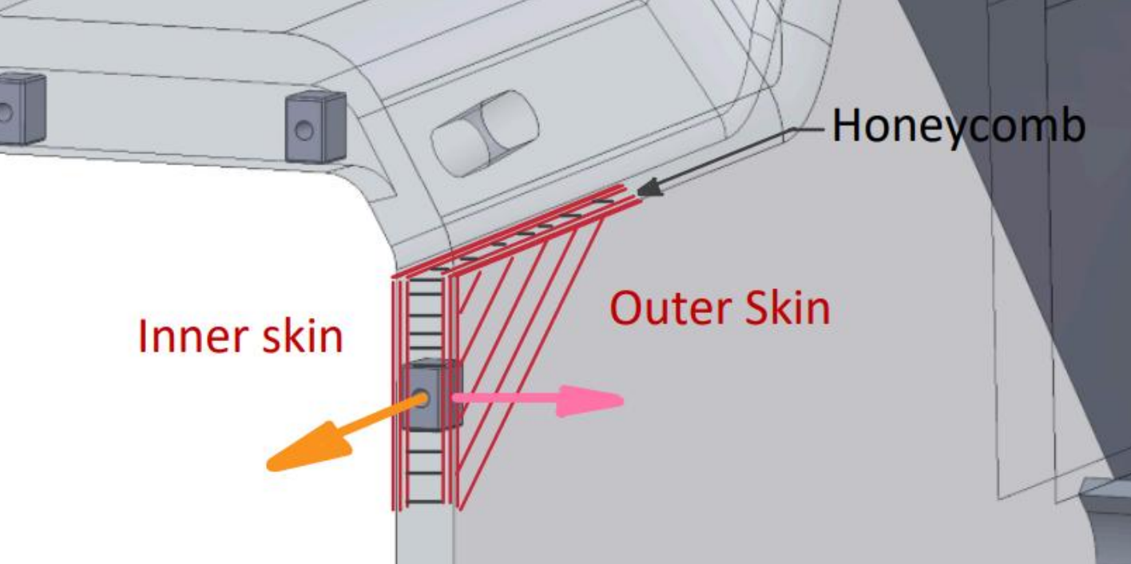

 |  | Paste load deflection curve here |  |  |  |  |  |  |  | Paste load deflection curve here

 |  | Paste images of test setup here |  |  |  |  |  |  |  | Paste images of test setup here

 |  | All test specimens must be presented at Tech. Inspection |  |  |  |  |  |  |  | All test specimens must be presented at Tech. Inspection

Figure 1: Load Deflection Curves |  |  |  |  |  |  |  | Figure 1: Load Deflection Curves

Axial pull-out |  |  |  |  |  |  |  | Perpendicular / weakest radial direction
Enter value for force at failure or maximum tested force |  |  |  |  |  |  | (>= 15000N) | Enter value for force at failure or maximum tested force |  |  |  |  |  |  | (>= 15000N)
ymax (N) |  |  | 0.0 |  | N/A |  |  | ymax (N) |  |  | 0.0 |  | N/A |  |  | BACK to COVER SHEET

Paste in logged data from test below (no pictures of data): |  |  |  |  |  |  |  | Paste in logged data from test below (no pictures of data):
The given units are mandatory. Paste as values with correct decimal separator. |  |  |  |  |  |  |  | The given units are mandatory. Paste as values with correct decimal separator.
If there are more than 300 datapoints, you must resample the data at a lower frequency. |  |  |  |  |  |  |  | If there are more than 300 datapoints, you must resample the data at a lower frequency.

 |  | F (N) |  | s (mm) |  |  |  |  |  | F (N) |  | s (mm)
 | 1 |  |  |  |  |  |  |  | 1
 | 2 |  |  |  |  |  |  |  | 2
 | 3 |  |  |  |  |  |  |  | 3
 | 4 |  |  |  |  |  |  |  | 4
 | 5 |  |  |  |  |  |  |  | 5
 | 6 |  |  |  |  |  |  |  | 6
 | 7 |  |  |  |  |  |  |  | 7
 | 8 |  |  |  |  |  |  |  | 8
 | 9 |  |  |  |  |  |  |  | 9
 | 10 |  |  |  |  |  |  |  | 10
 | 11 |  |  |  |  |  |  |  | 11
 | 12 |  |  |  |  |  |  |  | 12
 | 13 |  |  |  |  |  |  |  | 13
 | 14 |  |  |  |  |  |  |  | 14
 | 15 |  |  |  |  |  |  |  | 15
 | 16 |  |  |  |  |  |  |  | 16
 | 17 |  |  |  |  |  |  |  | 17
 | 18 |  |  |  |  |  |  |  | 18
 | 19 |  |  |  |  |  |  |  | 19
 | 20 |  |  |  |  |  |  |  | 20
 | 21 |  |  |  |  |  |  |  | 21
 | 22 |  |  |  |  |  |  |  | 22
 | 23 |  |  |  |  |  |  |  | 23
 | 24 |  |  |  |  |  |  |  | 24
 | 25 |  |  |  |  |  |  |  | 25
 | 26 |  |  |  |  |  |  |  | 26
 | 27 |  |  |  |  |  |  |  | 27
 | 28 |  |  |  |  |  |  |  | 28
 | 29 |  |  |  |  |  |  |  | 29
 | 30 |  |  |  |  |  |  |  | 30
 | 31 |  |  |  |  |  |  |  | 31
 | 32 |  |  |  |  |  |  |  | 32
 | 33 |  |  |  |  |  |  |  | 33
 | 34 |  |  |  |  |  |  |  | 34
 | 35 |  |  |  |  |  |  |  | 35
 | 36 |  |  |  |  |  |  |  | 36
 | 37 |  |  |  |  |  |  |  | 37
 | 38 |  |  |  |  |  |  |  | 38
 | 39 |  |  |  |  |  |  |  | 39
 | 40 |  |  |  |  |  |  |  | 40
 | 41 |  |  |  |  |  |  |  | 41
 | 42 |  |  |  |  |  |  |  | 42
 | 43 |  |  |  |  |  |  |  | 43
 | 44 |  |  |  |  |  |  |  | 44
 | 45 |  |  |  |  |  |  |  | 45
 | 46 |  |  |  |  |  |  |  | 46
 | 47 |  |  |  |  |  |  |  | 47
 | 48 |  |  |  |  |  |  |  | 48
 | 49 |  |  |  |  |  |  |  | 49
 | 50 |  |  |  |  |  |  |  | 50
 | 51 |  |  |  |  |  |  |  | 51
 | 52 |  |  |  |  |  |  |  | 52
 | 53 |  |  |  |  |  |  |  | 53
 | 54 |  |  |  |  |  |  |  | 54
 | 55 |  |  |  |  |  |  |  | 55
 | 56 |  |  |  |  |  |  |  | 56
 | 57 |  |  |  |  |  |  |  | 57
 | 58 |  |  |  |  |  |  |  | 58
 | 59 |  |  |  |  |  |  |  | 59
 | 60 |  |  |  |  |  |  |  | 60
 | 61 |  |  |  |  |  |  |  | 61
 | 62 |  |  |  |  |  |  |  | 62
 | 63 |  |  |  |  |  |  |  | 63
 | 64 |  |  |  |  |  |  |  | 64
 | 65 |  |  |  |  |  |  |  | 65
 | 66 |  |  |  |  |  |  |  | 66
 | 67 |  |  |  |  |  |  |  | 67
 | 68 |  |  |  |  |  |  |  | 68
 | 69 |  |  |  |  |  |  |  | 69
 | 70 |  |  |  |  |  |  |  | 70
 | 71 |  |  |  |  |  |  |  | 71
 | 72 |  |  |  |  |  |  |  | 72
 | 73 |  |  |  |  |  |  |  | 73
 | 74 |  |  |  |  |  |  |  | 74
 | 75 |  |  |  |  |  |  |  | 75
 | 76 |  |  |  |  |  |  |  | 76
 | 77 |  |  |  |  |  |  |  | 77
 | 78 |  |  |  |  |  |  |  | 78
 | 79 |  |  |  |  |  |  |  | 79
 | 80 |  |  |  |  |  |  |  | 80
 | 81 |  |  |  |  |  |  |  | 81
 | 82 |  |  |  |  |  |  |  | 82
 | 83 |  |  |  |  |  |  |  | 83
 | 84 |  |  |  |  |  |  |  | 84
 | 85 |  |  |  |  |  |  |  | 85
 | 86 |  |  |  |  |  |  |  | 86
 | 87 |  |  |  |  |  |  |  | 87
 | 88 |  |  |  |  |  |  |  | 88
 | 89 |  |  |  |  |  |  |  | 89
 | 90 |  |  |  |  |  |  |  | 90
 | 91 |  |  |  |  |  |  |  | 91
 | 92 |  |  |  |  |  |  |  | 92
 | 93 |  |  |  |  |  |  |  | 93
 | 94 |  |  |  |  |  |  |  | 94
 | 95 |  |  |  |  |  |  |  | 95
 | 96 |  |  |  |  |  |  |  | 96
 | 97 |  |  |  |  |  |  |  | 97
 | 98 |  |  |  |  |  |  |  | 98
 | 99 |  |  |  |  |  |  |  | 99
 | 100 |  |  |  |  |  |  |  | 100
 | 101 |  |  |  |  |  |  |  | 101
 | 102 |  |  |  |  |  |  |  | 102
 | 103 |  |  |  |  |  |  |  | 103
 | 104 |  |  |  |  |  |  |  | 104
 | 105 |  |  |  |  |  |  |  | 105
 | 106 |  |  |  |  |  |  |  | 106
 | 107 |  |  |  |  |  |  |  | 107
 | 108 |  |  |  |  |  |  |  | 108
 | 109 |  |  |  |  |  |  |  | 109
 | 110 |  |  |  |  |  |  |  | 110
 | 111 |  |  |  |  |  |  |  | 111
 | 112 |  |  |  |  |  |  |  | 112
 | 113 |  |  |  |  |  |  |  | 113
 | 114 |  |  |  |  |  |  |  | 114
 | 115 |  |  |  |  |  |  |  | 115
 | 116 |  |  |  |  |  |  |  | 116
 | 117 |  |  |  |  |  |  |  | 117
 | 118 |  |  |  |  |  |  |  | 118
 | 119 |  |  |  |  |  |  |  | 119
 | 120 |  |  |  |  |  |  |  | 120
 | 121 |  |  |  |  |  |  |  | 121
 | 122 |  |  |  |  |  |  |  | 122
 | 123 |  |  |  |  |  |  |  | 123
 | 124 |  |  |  |  |  |  |  | 124
 | 125 |  |  |  |  |  |  |  | 125
 | 126 |  |  |  |  |  |  |  | 126
 | 127 |  |  |  |  |  |  |  | 127
 | 128 |  |  |  |  |  |  |  | 128
 | 129 |  |  |  |  |  |  |  | 129
 | 130 |  |  |  |  |  |  |  | 130
 | 131 |  |  |  |  |  |  |  | 131
 | 132 |  |  |  |  |  |  |  | 132
 | 133 |  |  |  |  |  |  |  | 133
 | 134 |  |  |  |  |  |  |  | 134
 | 135 |  |  |  |  |  |  |  | 135
 | 136 |  |  |  |  |  |  |  | 136
 | 137 |  |  |  |  |  |  |  | 137
 | 138 |  |  |  |  |  |  |  | 138
 | 139 |  |  |  |  |  |  |  | 139
 | 140 |  |  |  |  |  |  |  | 140
 | 141 |  |  |  |  |  |  |  | 141
 | 142 |  |  |  |  |  |  |  | 142
 | 143 |  |  |  |  |  |  |  | 143
 | 144 |  |  |  |  |  |  |  | 144
 | 145 |  |  |  |  |  |  |  | 145
 | 146 |  |  |  |  |  |  |  | 146
 | 147 |  |  |  |  |  |  |  | 147
 | 148 |  |  |  |  |  |  |  | 148
 | 149 |  |  |  |  |  |  |  | 149
 | 150 |  |  |  |  |  |  |  | 150
 | 151 |  |  |  |  |  |  |  | 151
 | 152 |  |  |  |  |  |  |  | 152
 | 153 |  |  |  |  |  |  |  | 153
 | 154 |  |  |  |  |  |  |  | 154
 | 155 |  |  |  |  |  |  |  | 155
 | 156 |  |  |  |  |  |  |  | 156
 | 157 |  |  |  |  |  |  |  | 157
 | 158 |  |  |  |  |  |  |  | 158
 | 159 |  |  |  |  |  |  |  | 159
 | 160 |  |  |  |  |  |  |  | 160
 | 161 |  |  |  |  |  |  |  | 161
 | 162 |  |  |  |  |  |  |  | 162
 | 163 |  |  |  |  |  |  |  | 163
 | 164 |  |  |  |  |  |  |  | 164
 | 165 |  |  |  |  |  |  |  | 165
 | 166 |  |  |  |  |  |  |  | 166
 | 167 |  |  |  |  |  |  |  | 167
 | 168 |  |  |  |  |  |  |  | 168
 | 169 |  |  |  |  |  |  |  | 169
 | 170 |  |  |  |  |  |  |  | 170
 | 171 |  |  |  |  |  |  |  | 171
 | 172 |  |  |  |  |  |  |  | 172
 | 173 |  |  |  |  |  |  |  | 173
 | 174 |  |  |  |  |  |  |  | 174
 | 175 |  |  |  |  |  |  |  | 175
 | 176 |  |  |  |  |  |  |  | 176
 | 177 |  |  |  |  |  |  |  | 177
 | 178 |  |  |  |  |  |  |  | 178
 | 179 |  |  |  |  |  |  |  | 179
 | 180 |  |  |  |  |  |  |  | 180
 | 181 |  |  |  |  |  |  |  | 181
 | 182 |  |  |  |  |  |  |  | 182
 | 183 |  |  |  |  |  |  |  | 183
 | 184 |  |  |  |  |  |  |  | 184
 | 185 |  |  |  |  |  |  |  | 185
 | 186 |  |  |  |  |  |  |  | 186
 | 187 |  |  |  |  |  |  |  | 187
 | 188 |  |  |  |  |  |  |  | 188
 | 189 |  |  |  |  |  |  |  | 189
 | 190 |  |  |  |  |  |  |  | 190
 | 191 |  |  |  |  |  |  |  | 191
 | 192 |  |  |  |  |  |  |  | 192
 | 193 |  |  |  |  |  |  |  | 193
 | 194 |  |  |  |  |  |  |  | 194
 | 195 |  |  |  |  |  |  |  | 195
 | 196 |  |  |  |  |  |  |  | 196
 | 197 |  |  |  |  |  |  |  | 197
 | 198 |  |  |  |  |  |  |  | 198
 | 199 |  |  |  |  |  |  |  | 199
 | 200 |  |  |  |  |  |  |  | 200
 | 201 |  |  |  |  |  |  |  | 201
 | 202 |  |  |  |  |  |  |  | 202
 | 203 |  |  |  |  |  |  |  | 203
 | 204 |  |  |  |  |  |  |  | 204
 | 205 |  |  |  |  |  |  |  | 205
 | 206 |  |  |  |  |  |  |  | 206
 | 207 |  |  |  |  |  |  |  | 207
 | 208 |  |  |  |  |  |  |  | 208
 | 209 |  |  |  |  |  |  |  | 209
 | 210 |  |  |  |  |  |  |  | 210
 | 211 |  |  |  |  |  |  |  | 211
 | 212 |  |  |  |  |  |  |  | 212
 | 213 |  |  |  |  |  |  |  | 213
 | 214 |  |  |  |  |  |  |  | 214
 | 215 |  |  |  |  |  |  |  | 215
 | 216 |  |  |  |  |  |  |  | 216
 | 217 |  |  |  |  |  |  |  | 217
 | 218 |  |  |  |  |  |  |  | 218
 | 219 |  |  |  |  |  |  |  | 219
 | 220 |  |  |  |  |  |  |  | 220
 | 221 |  |  |  |  |  |  |  | 221
 | 222 |  |  |  |  |  |  |  | 222
 | 223 |  |  |  |  |  |  |  | 223
 | 224 |  |  |  |  |  |  |  | 224
 | 225 |  |  |  |  |  |  |  | 225
 | 226 |  |  |  |  |  |  |  | 226
 | 227 |  |  |  |  |  |  |  | 227
 | 228 |  |  |  |  |  |  |  | 228
 | 229 |  |  |  |  |  |  |  | 229
 | 230 |  |  |  |  |  |  |  | 230
 | 231 |  |  |  |  |  |  |  | 231
 | 232 |  |  |  |  |  |  |  | 232
 | 233 |  |  |  |  |  |  |  | 233
 | 234 |  |  |  |  |  |  |  | 234
 | 235 |  |  |  |  |  |  |  | 235
 | 236 |  |  |  |  |  |  |  | 236
 | 237 |  |  |  |  |  |  |  | 237
 | 238 |  |  |  |  |  |  |  | 238
 | 239 |  |  |  |  |  |  |  | 239
 | 240 |  |  |  |  |  |  |  | 240
 | 241 |  |  |  |  |  |  |  | 241
 | 242 |  |  |  |  |  |  |  | 242
 | 243 |  |  |  |  |  |  |  | 243
 | 244 |  |  |  |  |  |  |  | 244
 | 245 |  |  |  |  |  |  |  | 245
 | 246 |  |  |  |  |  |  |  | 246
 | 247 |  |  |  |  |  |  |  | 247
 | 248 |  |  |  |  |  |  |  | 248
 | 249 |  |  |  |  |  |  |  | 249
 | 250 |  |  |  |  |  |  |  | 250
 | 251 |  |  |  |  |  |  |  | 251
 | 252 |  |  |  |  |  |  |  | 252
 | 253 |  |  |  |  |  |  |  | 253
 | 254 |  |  |  |  |  |  |  | 254
 | 255 |  |  |  |  |  |  |  | 255
 | 256 |  |  |  |  |  |  |  | 256
 | 257 |  |  |  |  |  |  |  | 257
 | 258 |  |  |  |  |  |  |  | 258
 | 259 |  |  |  |  |  |  |  | 259
 | 260 |  |  |  |  |  |  |  | 260
 | 261 |  |  |  |  |  |  |  | 261
 | 262 |  |  |  |  |  |  |  | 262
 | 263 |  |  |  |  |  |  |  | 263
 | 264 |  |  |  |  |  |  |  | 264
 | 265 |  |  |  |  |  |  |  | 265
 | 266 |  |  |  |  |  |  |  | 266
 | 267 |  |  |  |  |  |  |  | 267
 | 268 |  |  |  |  |  |  |  | 268
 | 269 |  |  |  |  |  |  |  | 269
 | 270 |  |  |  |  |  |  |  | 270
 | 271 |  |  |  |  |  |  |  | 271
 | 272 |  |  |  |  |  |  |  | 272
 | 273 |  |  |  |  |  |  |  | 273
 | 274 |  |  |  |  |  |  |  | 274
 | 275 |  |  |  |  |  |  |  | 275
 | 276 |  |  |  |  |  |  |  | 276
 | 277 |  |  |  |  |  |  |  | 277
 | 278 |  |  |  |  |  |  |  | 278
 | 279 |  |  |  |  |  |  |  | 279
 | 280 |  |  |  |  |  |  |  | 280
 | 281 |  |  |  |  |  |  |  | 281
 | 282 |  |  |  |  |  |  |  | 282
 | 283 |  |  |  |  |  |  |  | 283
 | 284 |  |  |  |  |  |  |  | 284
 | 285 |  |  |  |  |  |  |  | 285
 | 286 |  |  |  |  |  |  |  | 286
 | 287 |  |  |  |  |  |  |  | 287
 | 288 |  |  |  |  |  |  |  | 288
 | 289 |  |  |  |  |  |  |  | 289
 | 290 |  |  |  |  |  |  |  | 290
 | 291 |  |  |  |  |  |  |  | 291
 | 292 |  |  |  |  |  |  |  | 292
 | 293 |  |  |  |  |  |  |  | 293
 | 294 |  |  |  |  |  |  |  | 294
 | 295 |  |  |  |  |  |  |  | 295
 | 296 |  |  |  |  |  |  |  | 296
 | 297 |  |  |  |  |  |  |  | 297
 | 298 |  |  |  |  |  |  |  | 298
 | 299 |  |  |  |  |  |  |  | 299
 | 300 |  |  |  |  |  |  |  | 300

Monocoque Lap Joints
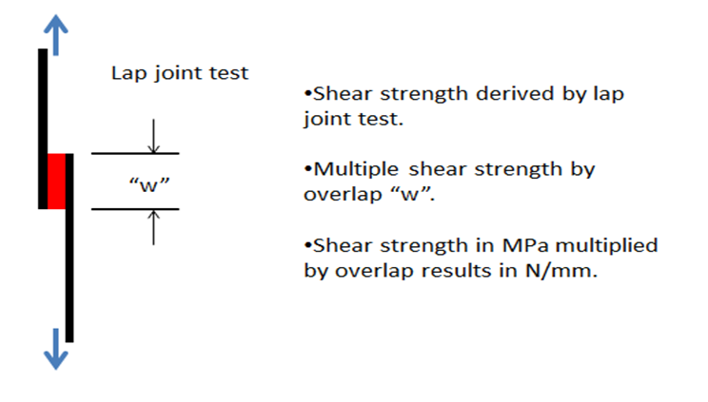
Monocoque Lap Joints

Joint Status | FAIL

Single piece monocoque? | No

Test sample lap area, mm^2
Lap joint shear strength, MPa
Overlap length "w", mm
Load/unit length, N/mm | 0.0

Skin UTS, MPa (from 3pt bend)
Skin thickness, mm
Load/unit length | 0

Safety Factor |  | BACK to COVER SHEET

Insert images of test sample and data from pull tests used to derive shear strength below:

T1.1 Guidance Notes
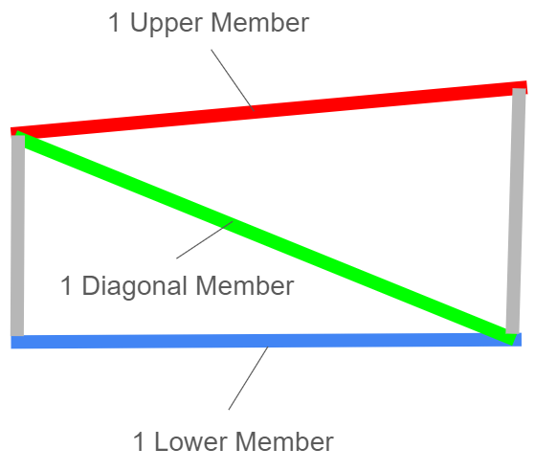
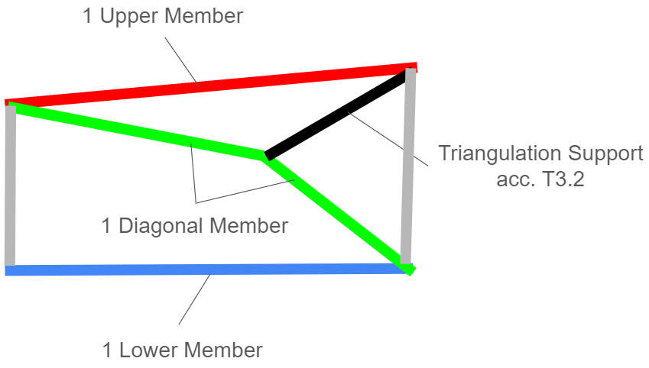
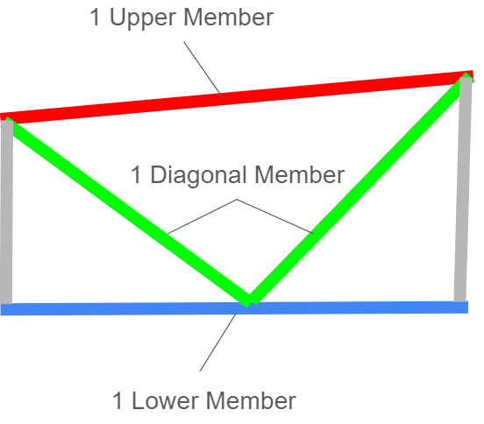
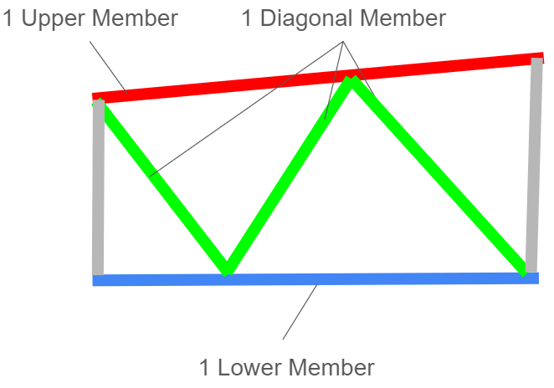
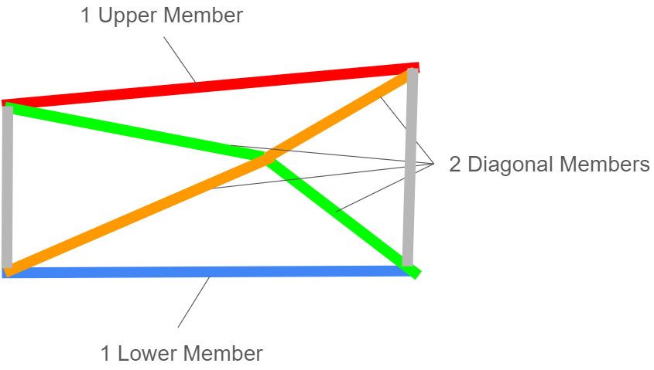
GENERAL GUIDANCE NOTES - HALF CAR PROOF
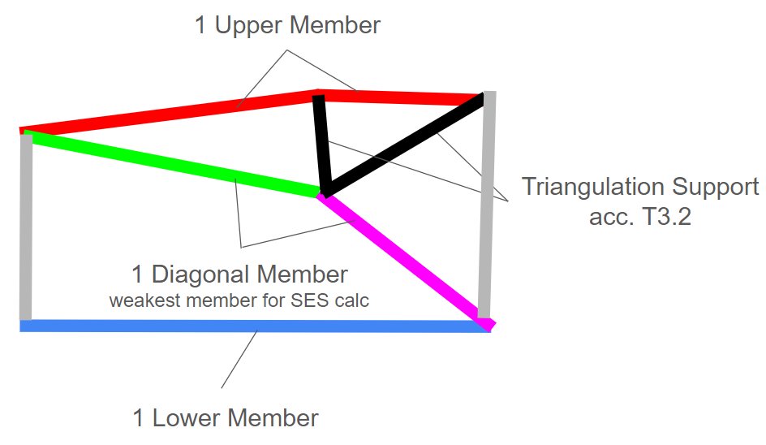
 | The SES always checks the primary structure on half of your car meaning: | BACK TO COVER SHEET
 | one side only, tube amount shall not be calculated by summing up LH & RH side of the frame.

 | E.g. Ft Bulkhead is made of min. 4 tubes, the SES is calculated as the sum
 | of 0.5 for upper member, 1 for side member and 0.5 for lower member.
 | In case of an additional diagonal member, this as well counts as 0.5 members.

 | Any member weaker than mentioned in T3.2 will not be considered for any
 | SES calculation.
 | As a consequence, triangulations will only be considered if a node is stabilized by
 | 3 members as mentioned in T3.2.

 | Members can be made out of multiple elements (unless required by the rules e.g.
 | Main Hoop), the weakest one will be considered in the SES. Diagonal member have to
 | connect from node to node from upper to lower member. However, this is allowed at any
 | point as long as the overall primary structure is fully considered. E.g. having a V-shape or
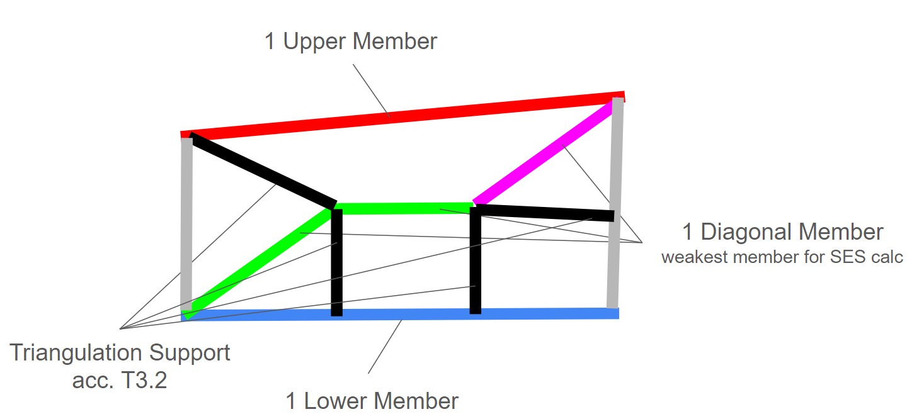
 | similar as diagonal member is acceptable.

 | See also figures below:

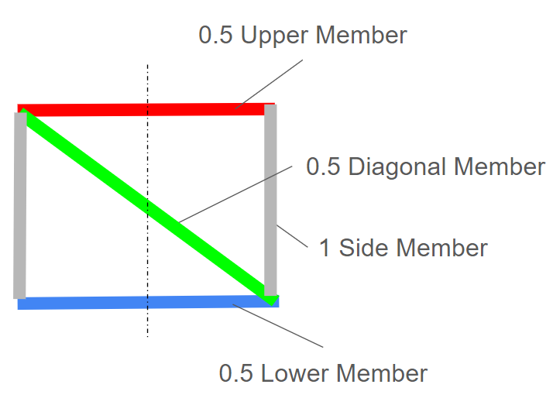

 | ________________________________________________________________________________

T3.6 Guidance Notes
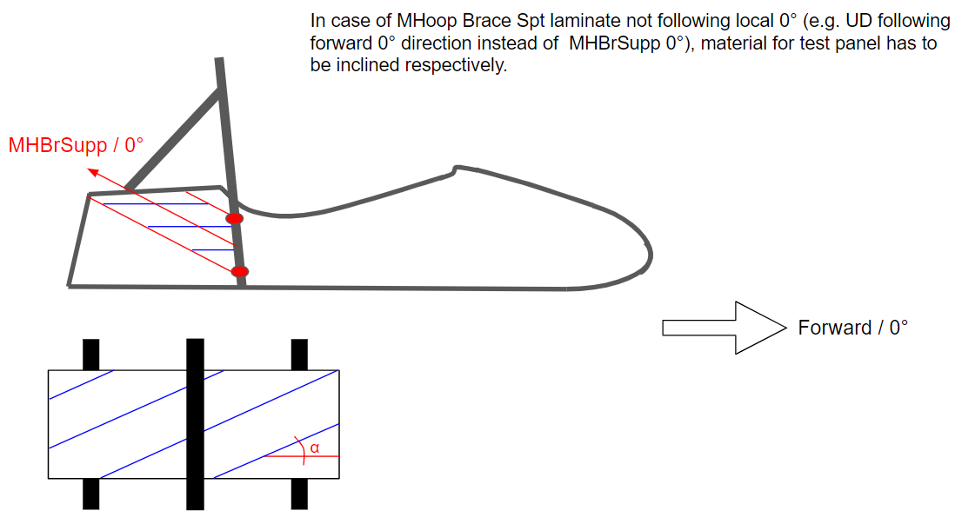
MONOCOQUE EQUIVALENCY GUIDANCE NOTES - ANISOTROPIC LAMINATES

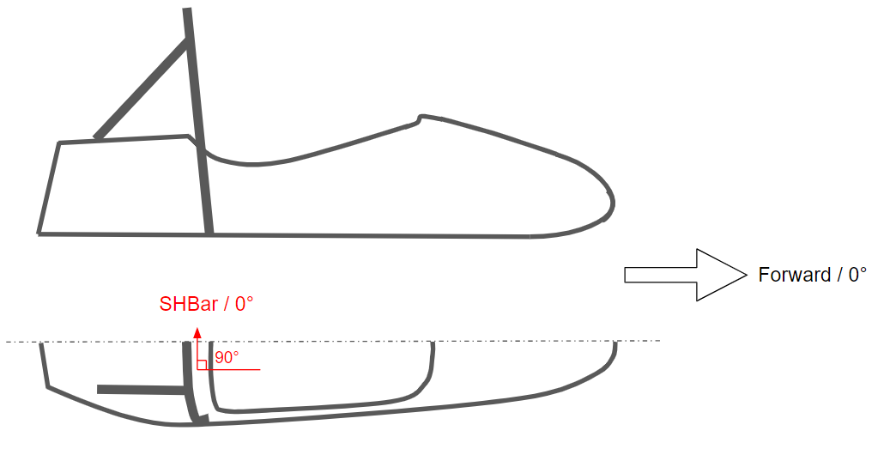
 | T3.6 Anisotropic Laminate Guidance Notes: | BACK

 | Laminates which are not quasi-isotropic - meaning equal strength and/or stiffness in all main
 | directions (0°, +/-45° or 90°) - have to perform the 3-point-bending-test in 0° direction with respect to
 | the chassis direction.

 | 0° is defined for most panels as forward driving direction, except for:
 | - Tab T3.11.5 T3.6 MHoop Brace Spt, which has to be inclined (see also T3.10.5 T3.5 Guidance Notes)
 | - Tab T4.5 Shoulder Harness Bar, which has to be in lateral direction (y-direction vehicle
 | coordinate system, ISO 8855)
 | - Tab EV5.5.1&2 EV4.4 ACPS TSPS Rear, which has to be lateral (y-direction) for vertical and
 | horizontal panel (as seen from behind)

 | See also figures below:

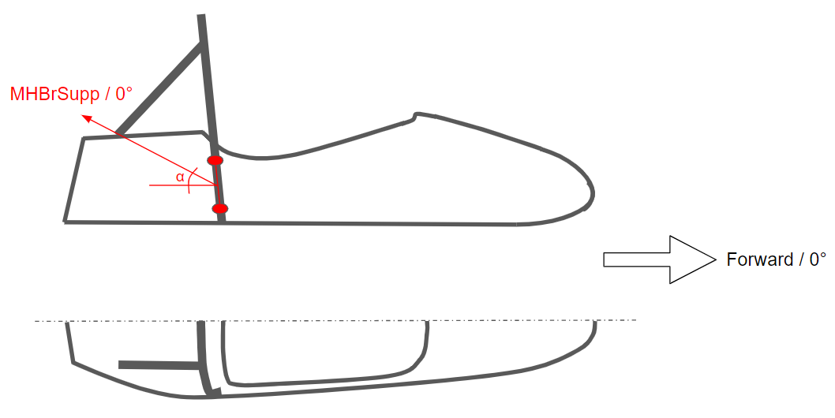
 |  |  | _____________________________________________________________________

 | _____________________________________________________________________

T3.11.5 T3.6 Guidance Notes
MONOCOQUE EQUIVALENCY GUIDANCE NOTES - MAIN HOOP BRACING SUPPORT

 | There are three scenarios for main hoop bracing | BACK | 3. Teams with non square/rectangular structures must complete an analysis similar to
 | support (MHBS) equivalency. |  | that required in scenario 2, but at a cross-section through the structure where the
 |  |  | equivalent tube offset ("d" in the image below) is ~ 75mm.
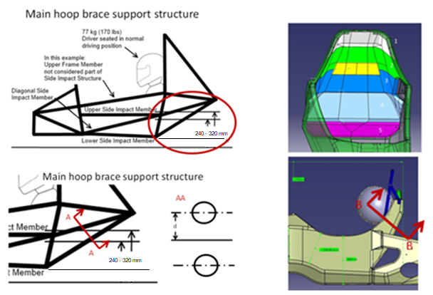
 | 1. Chassis with a near square/rectangular structure
 | rearward of the main hoop; the design is >=100%
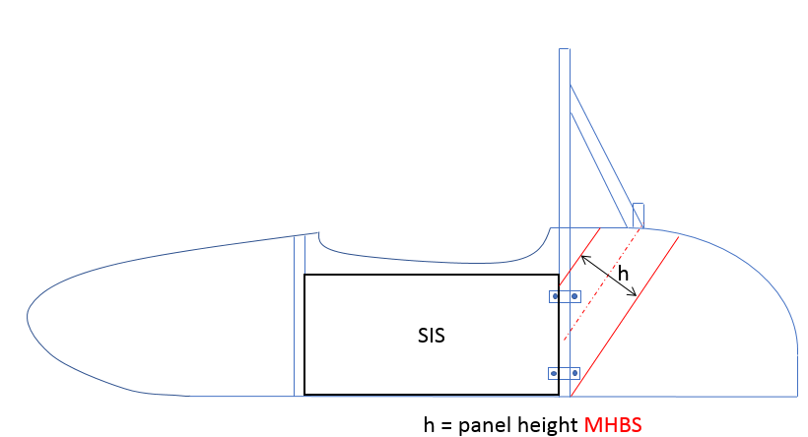
 | equivalency using the flat-panel calc by entering
 | the panel height as per the image shown
 | to the right of this text.

 | MHBS as stated in T3.11.5.

 | In this case no additional proof is required,
 | but images of the chassis proving the
 | panel height entered must be supplied.

 | Pay attention to the right fiber direction of the panel.

 | 2. Chassis with a structure as per 1., but where >=100% equivalence is not shown on the
 | flat panel calc alone.

 | In this case additional proof of equivalence is required, by showing the actual chassis
 | design is >=100% equivalent, it is acceptable to include half of the chassis in this proof.

 | Using a CAD measure of the cross-section of the MHBS (per definition in T3.11.5), or other
 | appropriate method, provide proof of the second moment of area and area of the
 | monocoque skins.

 | Multiply this measured "I" by the "E" derived from the required physical test of your
 | structure to prove the buckling modulus is equivalent.

 | The measured "I" must be transposed from the cross-section centroid to a reference
 | co-ordinate system on the chassis centre-line, and the same completed for the baseline
 | tubes.

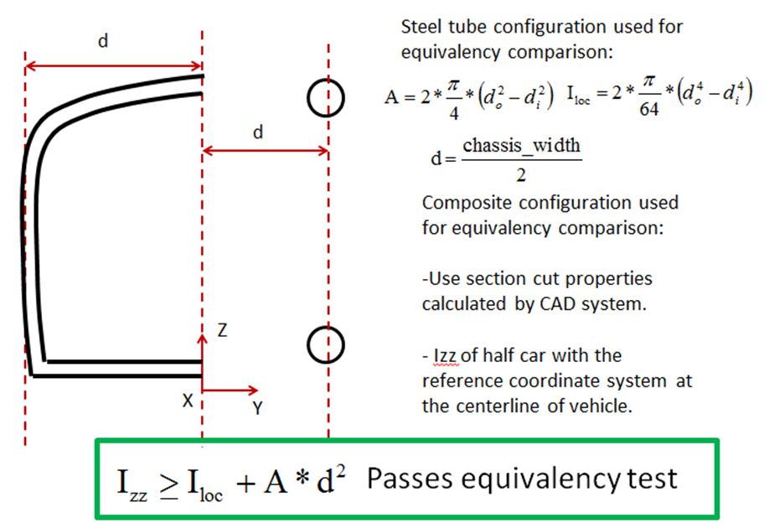

T3.6

 | The measured "A" must be multiplied by the physical test derived skin UTS to prove
 | the strength of the section is >=100%

T3.12 T3.6 Guidance Notes
MONOCOQUE EQUIVALENCY GUIDANCE NOTES - FRONT HOOP BRACING

 | There are two scenarios for front hoop bracing support equivalency.

 | 1. Chassis where, when calculated as a flat panel, half of the smallest width of the upper
 | horizontal panel between the top of the front bulkhead and the top of the front hoop
 | shows >=100% equivalency to 1 front hoop bracing tube.

 | In this case no additional proof is required, but images of the chassis proving the smallest
 | panel width between front hoop and front bulkhead entered must be supplied.

 | 2. Chassis where the flat panel calculation shows <100% equivalence to 1 front hoop
 | bracing tube.

 | In this case additional proof of equivalence is required, by showing the actual chassis
 | design is >=100% equivalent.

 | Using a CAD measure of the cross-section, or other appropriate method, provide proof
 | of the second moment of area and area of the monocoque skins.

 | The height of the moncoque section used for comparison must not exceed 50mm
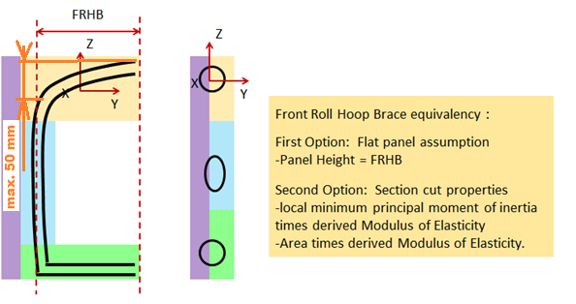

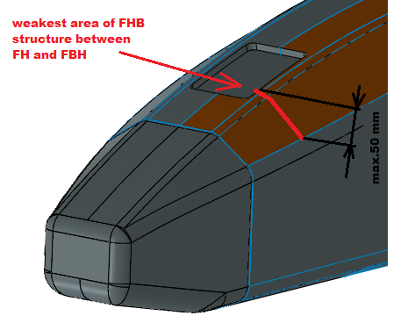
 | The measured "A" must be multiplied by the physical test derived skin UTS to prove
 | the strength of the section is >=100%

 | BACK

T3.14 T3.6 Guidance Notes
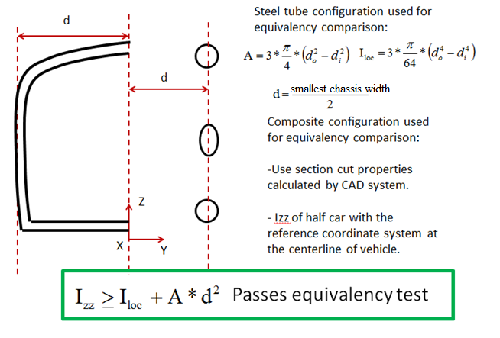
MONOCOQUE EQUIVALENCY GUIDANCE NOTES - FRONT BULKHEAD SUPPORT

 | There are two scenarios for front bulkhead support equivalency.

 | 1. Chassis where, when calculated as a flat panel, the vertical panel between the
 | front bulkhead and front hoop shows >=100% to 3 front bulkhead support tubes.

 | In this case no additional proof is required, but images of the chassis proving the panel
 | height entered must be supplied.

Front Bulkhead Support T3.14: T3.14.2 Equivalency in the SES is based on a half car model for the weakest area.
First option: Flat panel assumption
-Panel height = FBHS
FBH

Front Bulkhead Support T3.13:
T3.13.4 Equivalency in the SES is based on a half car model for the weakest area.
First option: flat panel assumption
- panel height = FBHS

 | 2. Chassis where the flat panel calculation shows >33% but <100% equivalence to 3
 | front bulkhead support tubes.
 | (If the flat panel calculation shows <33% equivalence the panel core and/or skin
 | thickness must be increased and the physical tests repeated until >33% is achieved)

 | In this case additional proof of equivalence is required, by showing the actual chassis
 | design is >=100% equivalent.

 | Using a CAD measure of the cross-section, or other appropriate method, provide proof
 | of the second moment of area and area of the monocoque skins. | BACK

 | Multiply this measured "I" by the "E" derived from the required physical test to prove the
 | buckling modulus is equivalent.

 | The measured "I" must be transposed from the cross-section centroid to a reference
 | co-ordinate system on the chassis centre-line, and the same completed for the baseline
 | tubes.

 | The measured "A" must be multiplied by the physical test derived skin UTS to prove
 | the strength of the section is >=100%

T3.15 T3.6 Guidance Notes
MONOCOQUE SIDE IMPACT STRUCTURE GUIDANCE NOTES

 | There is only one scenario for monocoque side-impact structure equivalency.

 | Unlike other areas of the monocoque, no allowance for geometric form is allowed.

 | The requirement to prove buckling modulus remains, but with a more stringent requirement
 | where:

 | - The vertical side-impact zone, when calculated as a flat-panel must equivalent EI to
 | two baseline side-impact tubes.

 |  | Note: In practical terms it is impossible for a car with rules compliant ride height to
 |  | have a panel height greater than 320mm, panel heights greater than this will
 |  | return a null value for EI

 | - The horizontal floor (up-to the centre of the chassis), when calculated as flat-panel
 | must have equivalent EI to one baseline side-impact tube.

 | In both cases this is calculated about the weakest axis.
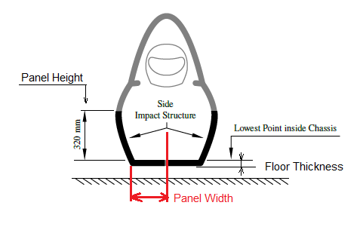

 | BACK

T3.6.11 Guidance Notes
PERIMETER SHEAR TEST GUIDANCE NOTES

 | Make sure to include BOTH peaks. If only one peak is distinguisable (often in case of
 | assymetrical laminates), use the skin thickness of the thicker skin to derive perimeter shear
 | strength.

 | Note: in case of assymetrical laminates, the thinner skin must face the punch.

 | Note: If the first peak is higher than the second then it can be used for the punch through
 | strength requirement.

 | When entering peak loads please ensure they are in accordance with the image below:

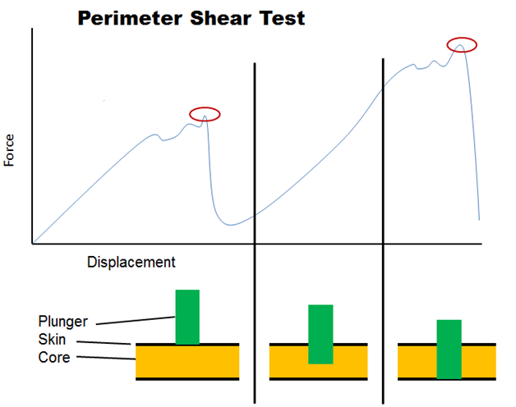
Higher Peak:
T3.14 / T3.15 requirement

Lower Peak:
Ymax, used to derive shear strenght for any attachment

 |  | BACK

T4.5 Guidance Notes
HARNESS ATTACHMENT GUIDANCE NOTES |  | SHOULDER HARNESS BAR GUIDANCE NOTES

 | ALL harness attachments, including typical designs found on steel tube frames have to |  | There are two scenarios for the shoulder harness bar (SHB) equivalency.
 | show equivalency to the forces laid out in T4.5
 |  |  | 1.) SHB is orientated vertically or inclined:
 | Attachments for LAP BELTS and ANTI-SUBMARINGE BELTS on steel tube frames using
 | unalloyed carbon steel (T3.2.2) do generally not require calculations with regards to bending |  | - Panel height of SHB is the shortest distance from lower to upper SHB laminate
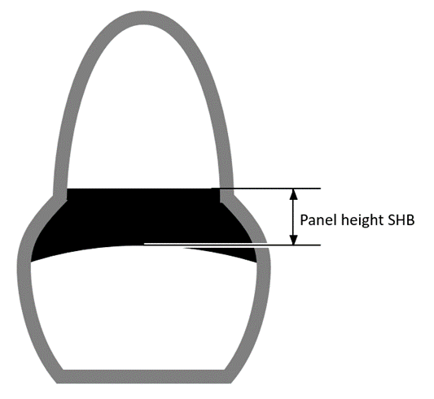
 | loads in the tube structure if and only if ALL of the following criteria are met:

 | 1.) The attachment points are located at a frame node or maximum 50mm away from it
 | 2.) The frame node in question is properly triangulated both in side and top view
 | 3.) The triangulation of the frame node in question is done with "SIS" tubes
 | 4.) Lap belts and anti-submarine belts one either side are not attached to the same tube
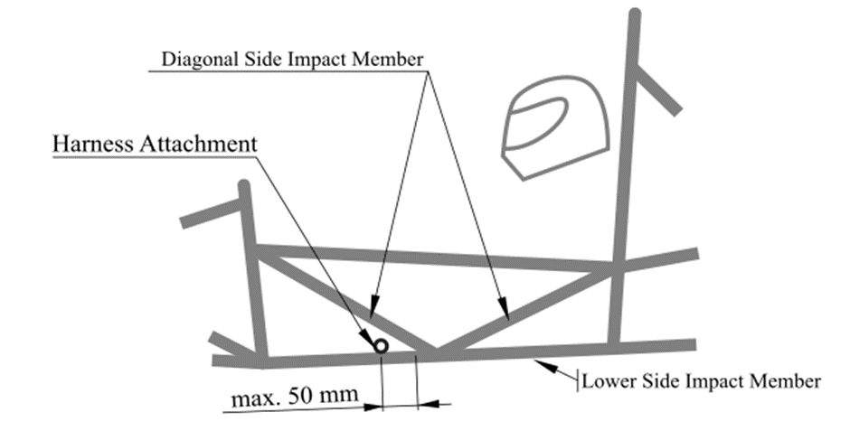

 |  |  | 2.) SHB is on the top rear surface of the monocoque:

 |  |  | - SHB laminates reaching beyond a third of the shortest distance on top surface are
 |  |  | not considered as part of the panel height.

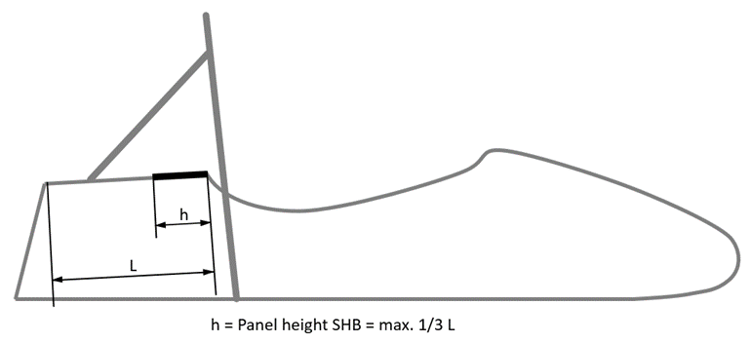

 | The bending calculations for the SHOULDER HARNESS BAR of steel tube frames shall be
 | done by applying the force of 13 kN ONCE at the middle of one shoulder harness attachment

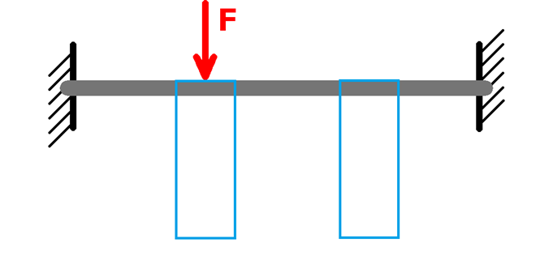

 |  |  | Note: For both cases, geometrical stiffness is acceptable to show equivalence.

 | Failure must not occur anywhere in the loadpath from the harness to the roll hoops

 | Maximum allowable deflection with the force applied: 25mm (including plastic deformation)

 | BACK |  | BACK

EV4.4 Guidance Notes
TRACTIVE SYSTEM PROTECTION EQUIVALENCY GUIDANCE NOTES
 | There are three scenarios for the tractive system protection equivalency. | For both scenario 1 & 2:

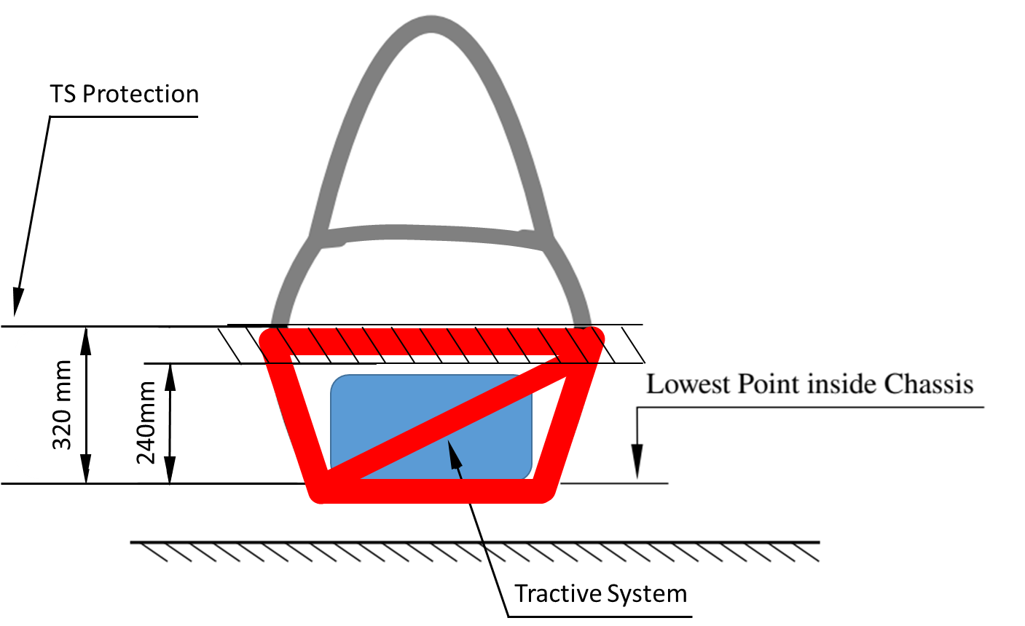
 | 1. Tubular frame cars with motors laying within the primary structure: | At least 1 diagonal member has to connect upper and lower side-impact tube members,
 |  | the same applies for rear-impact members .
 | Side- and rear-impact zone must fulfill T3.15 with exception of: “must connect the
 | main hoop and front hoop” and must follow T3.16 when having bolted attachments.
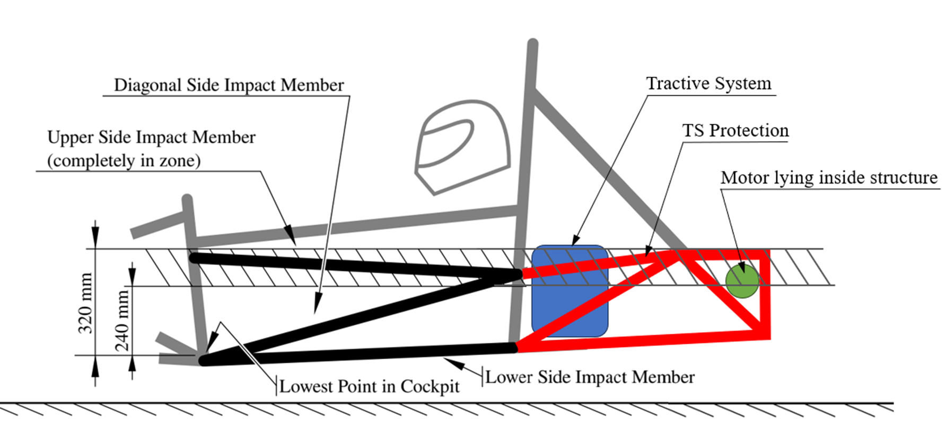
 | Side-impact zone must be connected from main hoop to rear-impact zone.

 |  | 3. Monocoques:

 |  | Side- and rear-impact zone must fulfill T3.15 with exception of: “must connect the
 | 2. Tubular Frame cars with motors laying outside the primary structure according | main hoop and front hoop” and must follow T 3.16 when having bolted attachments.
 | rule EV4.4.3 (outboard wheel motors):
 |  | Side-impact zone must be connected from main hoop to rear-impact zone.
 | All mentioned above must be followed.
 |  | No structure higher than 320mm over the lowest chassis point can be added to
 | The motor is behind the rear bulkhead and no tractive system component | the side-and rear-impact zone to prove equivalence.
 | not falling under EV4.4.3 penetrates the bulkhead in front of the motor.
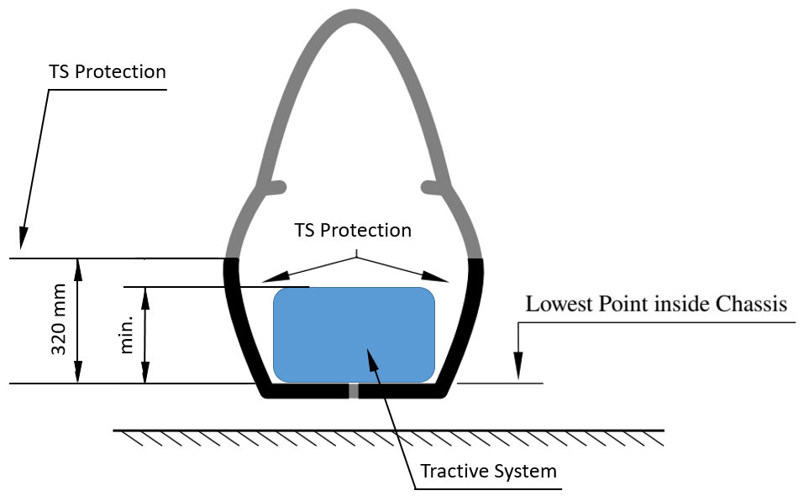
 | In this case, the bulkhead in front of the motor can be considered as rear-impact
 | zone. Any structure behind does not need to meet the requirements for a side-
 | or rear-impact zone.
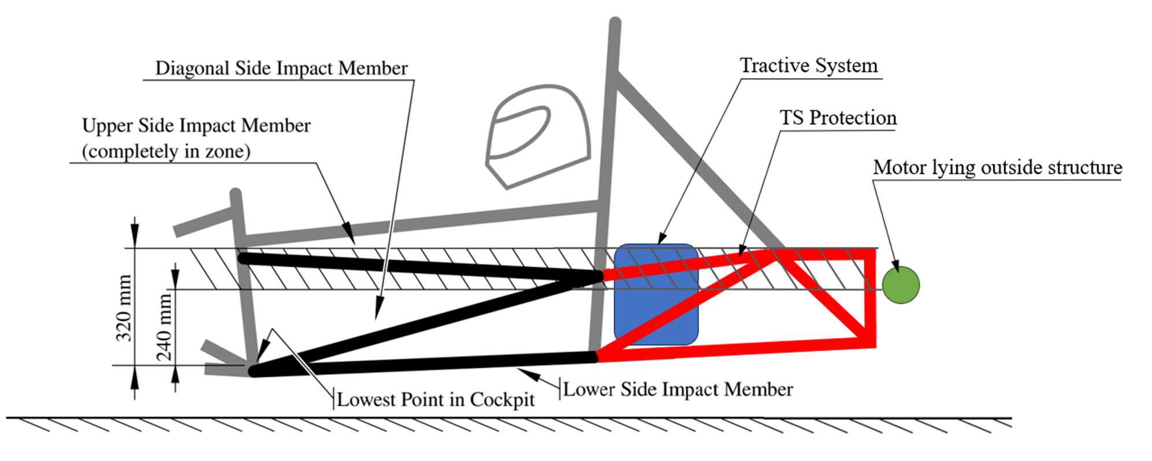

 | Note: For scenario 1. and 2. triangulation still applies for all structural relevant members. | In comparison to tubular frames, monocoques do not need to extend the side- and
 |  | rear-impact zone beyond the TS components, if the highest point of any TS
 |  | component is below 320mm measured from the lowest chassis point.

 |  |  | BACK

EV5.5 TSAC Attachment Guidance
ACCUMULATOR CONTAINER ATTACHMENT GUIDANCE NOTES
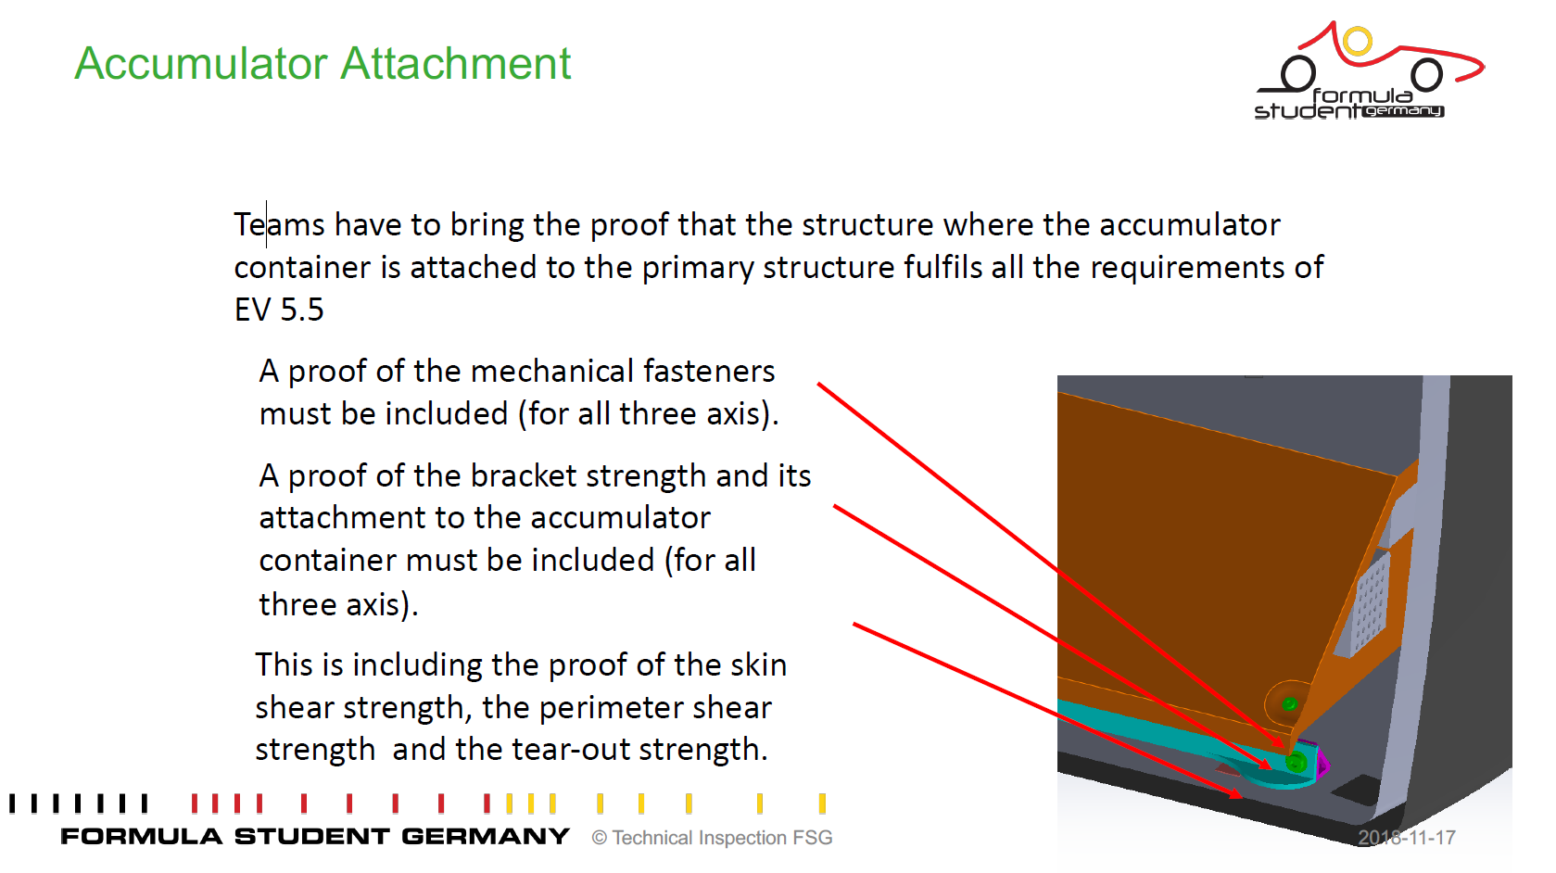

 | BACK

 | Please note:
 | Hand calculations always preferred

! | Showing some flashy and colourfull FEM images without legends , full model description or lettertypes are unreadable, nothing given about the meshing etc. etc. result basically a "FAIL" directly | !

Monocoque Attachments Guidance

MONOCOQUE ATTACHMENTS GUIDANCE NOTES
 |  |  | Note: Brackets which have no "form" or gusseting are not acceptable as they will fail in
 | All monocoque attachment tabs follow the same order, stepping through each key element |  | bending at <30KN
 | from Row 13 to Row 20.
 |  |  | Below are some examples of brackets which are not acceptable:
 | The images below show an example hoop attachment, in this case the following data
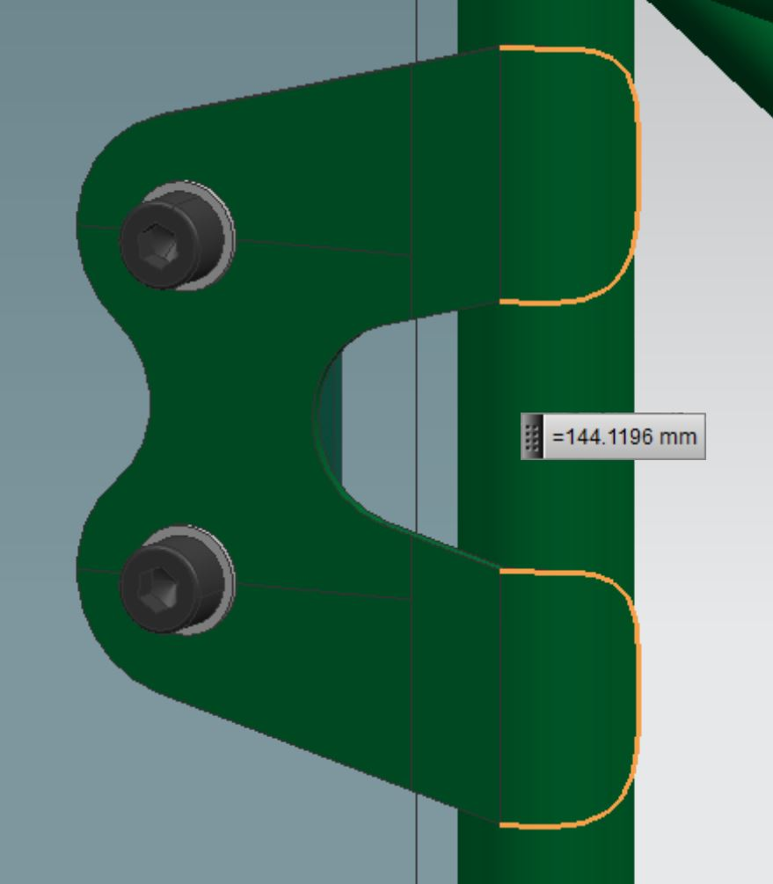
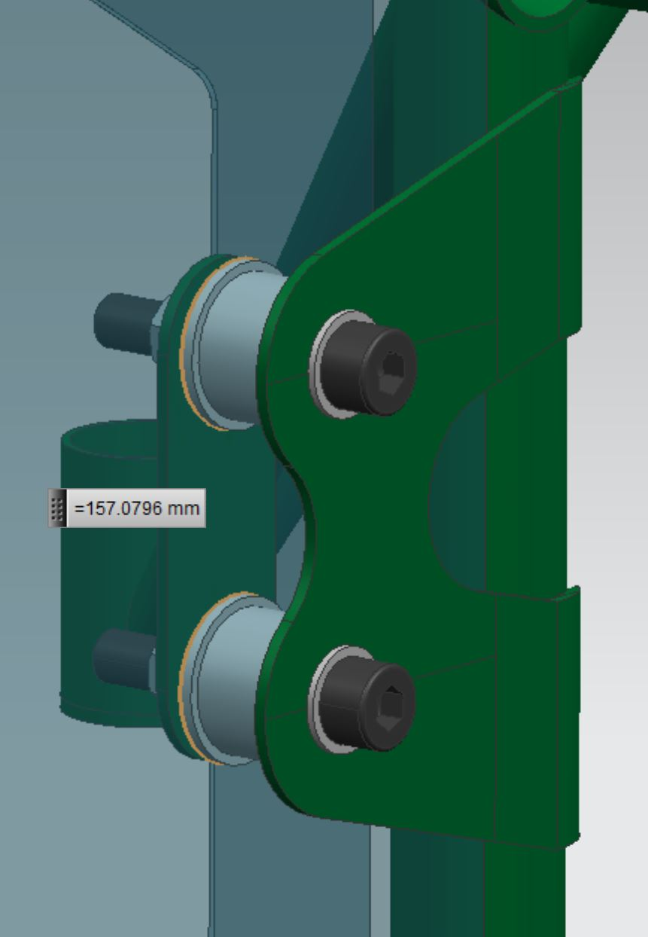

 | would be entered:

 | Row 13: | Total weld length of all welds joining the hoop tube to the bracket
 | Row 14: | Thickness of the bracket joined to the hoop
 | Row 15: | Outside perimeter of the bracket joined to the hoop
 | Row 16: | Thickness of the laminate skin in contact with the bracket joined to the hoop
 | Row 17: | Combined outside perimeter of all inserts in the core material
 | Row 18: | Thickness of the laminate skin in contact with the backing plate
 | Row 19: | Thickness of the backing plate
 | Row 20: | Outside perimeter of the backing plate
 | Row 21: | Shortest distance from edge of bolt hole to nearest "free edge"

 | Entering the combined perimeter of all inserts between the outer and inner skins is
 | optional, provided the strength in both loading directions is >=30kN without their inclusion.

 | If teams using a another laminated structure than the SIS for the MH attachment then
 | additional shear strength test must be performed.
 | In this case please copy the given chart in to the yellow area then the cells for the
 | "Skin shear strength, Mpa" are unlocked and you can enter the specific value
 | of your specific structure.

 |  |  |  | BACK

Front Hoop Attachment Guidance
FRONT HOOP ATTACHMENT GUIDANCE NOTES

 | This section elaborates on the front hoop attachments, and how to show equivalency:

 | At the minimum, a front hoop has three attachment points per side:

 | 1. Front hoop bracing attachment
 | 2. Upper FBHS/SIS attachment
 | 3. Lower FBHS/SIS attachment

 | If the upper FBHS member is more than 100mm above the upper SIS member, additional bracing is needed and therefore a fourth connection exists. (T3.14.1)

 | For composite cars, this means that there are at least 3 attachment points per side.
 | T3.12.4 means they cannot be combined and therefore must be separate attachments.

 | The top attachment, for the front hoop bracing, must lie in the top 50mm of the FHB area, as described in the T3.12 T3.6 Guidance Notes.

 | For laminated front hoops, this also means that only the top 50mm can be used to show
 | equivalency for the front hoop bracing attachments.

1
2
3
(4)
 | T3.12 T3.6 Guidance Notes

 | BACK

